US
U.S. Metro
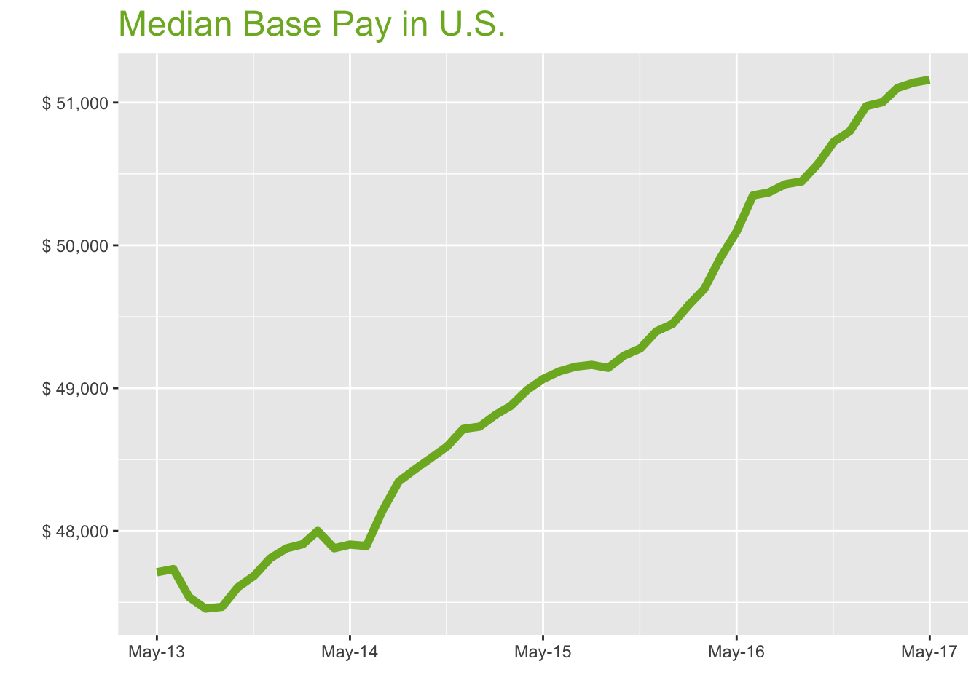
May-17

Job Title

Design
 | Median Base Pay | YoY
Graphic Designer | $43,567 | 1.30%
Education
 | Median Base Pay | YoY
Professor | $90,274 | 4.40%
Teacher | $46,025 | 3.10%
Engineering
 | Median Base Pay | YoY
Mechanical Engineer | $72,503 | 1.30%
Design Engineer | $69,337 | -2.70%
Electrical Engineer | $77,152 | 3.10%
Quality Engineer | $72,458 | 3.20%
Field Engineer | $69,831 | 1.80%
Finance
 | Median Base Pay | YoY
Financial Analyst | $62,506 | 2.10%
Accountant | $55,557 | 2.70%
Bank Teller | $28,744 | 6.10%
Tax Manager | $92,370 | -0.10%
Insurance Agent | $43,643 | 4.00%
Health
 | Median Base Pay | YoY
Registered Nurse | $66,305 | 4.50% | Year | Median Base Pay | YOY
Physical Therapist | $73,946 | 0.60% | 2017-05 | $51,159 | 2.1%
Pharmacy Technician | $30,369 | 4.30% | 2017-04 | $51,140 | 2.4%
Medical Assistant | $33,216 | 1.90% | 2017-03 | $51,102 | 2.8%
Physician | $242,371 | 2.10% | 2017-02 | $51,002 | 2.9%
Medical Technologist | $53,313 | 3.00% | 2017-01 | $50,974 | 3.1%
Emergency Medical Technician | $34,217 | 2.40% | 2016-12 | $50,799 | 2.8%
Human Resources |  |  | 2016-11 | $50,726 | 2.9%
 | Median Base Pay | YoY | 2016-10 | $50,567 | 2.7%
Recruiter | $51,216 | 7.40% | 2016-09 | $50,447 | 2.7%
Human Resources Manager | $68,370 | 2.00% | 2016-08 | $50,428 | 2.6%
Labor |  |  | 2016-07 | $50,371 | 2.5%
 | Median Base Pay | YoY | 2016-06 | $50,349 | 2.5%
Technician | $44,700 | 0.80% | 2016-05 | $50,097 | 2.1%
Warehouse Associate | $40,882 | 6.70% | 2016-04 | $49,917 | 1.9%
Truck Driver | $50,448 | 1.80% | 2016-03 | $49,696 | 1.7%
Machine Operator | $40,123 | 2.00% | 2016-02 | $49,584 | 1.6%
Construction Laborer | $40,974 | 4.40% | 2016-01 | $49,450 | 1.5%
Maintenance Worker | $43,175 | 5.70% | 2015-12 | $49,397 | 1.4%
Law |  |  | 2015-11 | $49,278 | 1.4%
 | Median Base Pay | YoY | 2015-10 | $49,228 | 1.5%
Attorney | $97,150 | 2.20% | 2015-09 | $49,142 | 1.5%
Paralegal | $47,498 | 0.40% | 2015-08 | $49,163 | 1.7%
Manufacturing |  |  | 2015-07 | $49,150 | 2.1%
 | Median Base Pay | YoY | 2015-06 | $49,118 | 2.6%
Production Manager | $66,254 | 2.60% | 2015-05 | $49,064 | 2.4%
Manufacturing Engineer | $72,096 | 3.90% | 2015-04 | $48,987 | 2.3%
Media |  |  | 2015-03 | $48,876 | 1.8%
 | Median Base Pay | YoY | 2015-02 | $48,815 | 1.9%
Producer | $53,387 | 4.00% | 2015-01 | $48,730 | 1.8%
Technical Editor | $53,287 | 2.10% | 2014-12 | $48,714 | 1.9%
Operations |  |  | 2014-11 | $48,593 | 1.9%
 | Median Base Pay | YoY | 2014-10 | $48,510 | 1.9%
Operations Manager | $66,361 | 2.90% | 2014-09 | $48,432 | 2.0%
Operations Analyst | $52,589 | -1.10% | 2014-08 | $48,345 | 1.9%
Professional Services |  |  | 2014-07 | $48,139 | 1.3%
 | Median Base Pay | YoY | 2014-06 | $47,895 | 0.3%
Consultant | $71,519 | 0.90% | 2014-05 | $47,904 | 0.4%
Project Manager | $73,162 | 1.30% | 2014-04 | $47,879
Business Analyst | $64,435 | 3.00% | 2014-03 | $48,000
Administrative Assistant | $39,417 | 2.80% | 2014-02 | $47,907
Marketing Manager | $68,140 | 2.00% | 2014-01 | $47,878
Product Manager | $90,721 | 2.10% | 2013-12 | $47,808
Customer Service Manager | $54,552 | 7.10% | 2013-11 | $47,686
Business Development Manager | $69,029 | 2.00% | 2013-10 | $47,605
Communications Manager | $66,550 | -0.10% | 2013-09 | $47,468
Real Estate |  |  | 2013-08 | $47,456
 | Median Base Pay | YoY | 2013-07 | $47,537
Property Manager | $51,571 | 2.50% | 2013-06 | $47,733
Food Services |  |  | 2013-05 | $47,711
 | Median Base Pay | YoY
Restaurant Cook | $29,097 | 7.00%
Retail
 | Median Base Pay | YoY
Store Manager | $48,364 | 4.90%
Cashier | $27,492 | 4.60%
Buyer | $58,359 | 1.30%
Retail Key Holder | $29,512 | 2.30%
Sales
 | Median Base Pay | YoY
Sales Representative | $47,629 | 4.60%
Sales Manager | $61,885 | 1.10%
Technology
 | Median Base Pay | YoY
Software Engineer | $86,462 | 3.60%
Programmer Analyst | $68,174 | 3.90%
Web Developer | $63,355 | -0.20%
Data Scientist | $94,859 | 2.20%
Data Analyst | $58,360 | 2.50%
Java Developer | $71,359 | -1.90%
Web Designer | $48,934 | 0.50%

U.S. Quick Facts

 | May-17 | YoY
U.S. Median Pay | $51,159 | 2.10%

Industry

 | Median Base Pay
Accounting & Legal | $51,583
Aerospace & Defense | $53,820
Architecture & Civil Engineering | $52,100
Arts & Entertainment | $45,987
Automotive | $46,377
Banking & Financial Services | $50,410
Beauty & Fitness | $44,944
Biotech & Pharmaceuticals | $53,932
Business Services | $48,874
Computer Software & Hardware | $52,164
Construction | $51,736
Consulting | $51,637
Consumer Electronics | $43,752
Consumer Services | $45,200
Education & Schools | $46,161
Energy & Utilities | $56,113
Facilities | $46,170
Farming & Agriculture | $50,330
Government | $50,375
Health Care & Hospitals | $49,133
Information Technology | $50,225
Insurance | $50,241
Internet & Tech | $51,035
Manufacturing | $51,856
Marketing & Advertising | $47,907
Media & Publishing | $48,569
Nonprofit | $45,593
Private Security | $45,504
Real Estate | $48,606
Recruiting & Staffing | $48,068
Restaurants & Bars | $46,178
Retail | $46,111
Supermarkets | $46,936
Telecommunications | $49,503
Transportation & Logistics | $48,784
Travel & Tourism | $46,325
Wholesale | $49,423

Employer Size

 | Median Base Pay
<51 | $45,846
51-200 | $47,495
201-500 | $48,585
501-1000 | $49,322
1001-5000 | $50,550
5000+ | $51,449

SF
San Francisco Metro
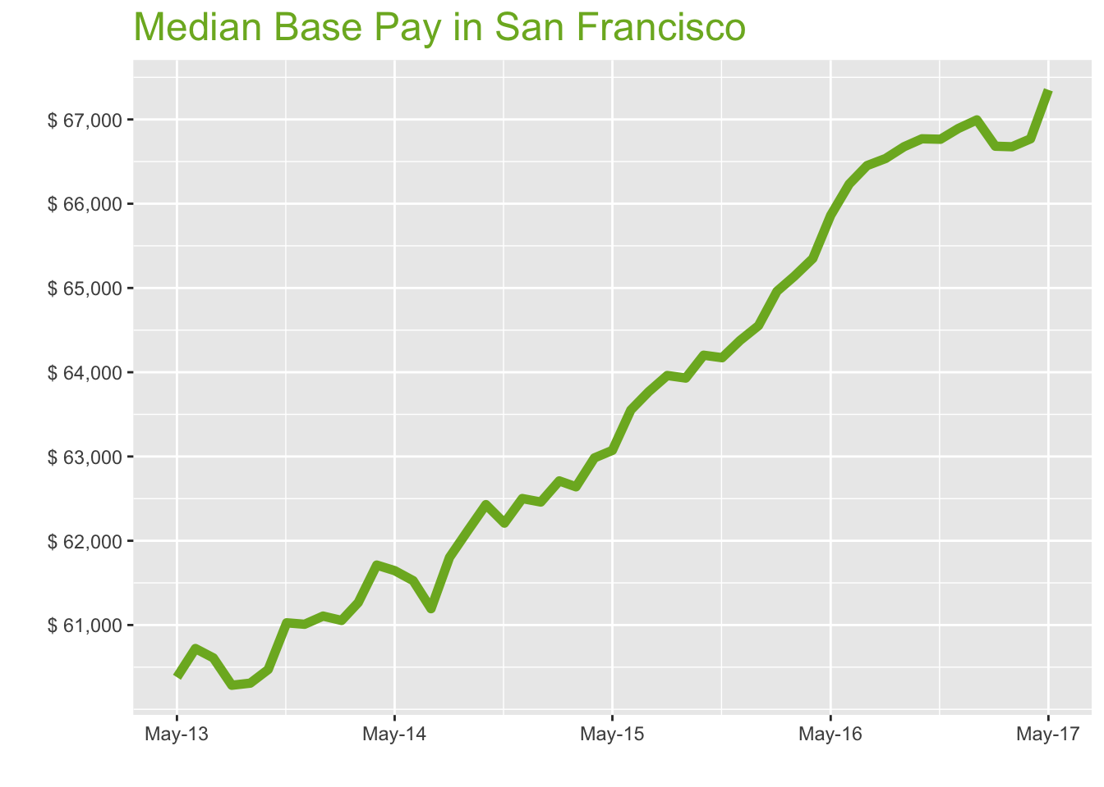
May-17

Job Title

Design
 | Median Base Pay | YoY
Graphic Designer | $69,151 | 1.50%
Education
 | Median Base Pay | YoY
Professor | $133,168 | 4.50%
Teacher | $64,086 | 3.20%
Engineering
 | Median Base Pay | YoY
Mechanical Engineer | $91,849 | 1.40%
Design Engineer | $89,441 | -2.60%
Electrical Engineer | $97,089 | 3.20%
Quality Engineer | $90,942 | 3.30%
Field Engineer | $79,736 | 1.90%
Finance
 | Median Base Pay | YoY
Financial Analyst | $82,430 | 2.20%
Accountant | $71,051 | 2.80%
Bank Teller | $33,395 | 6.30%
Tax Manager | $118,164 | 0.00%
Insurance Agent | $52,263 | 4.10%
Health
 | Median Base Pay | YoY
Registered Nurse | $112,086 | 4.60% | Year | Median Base Pay | YOY
Physical Therapist | $95,708 | 0.70% | 2017-05 | $67,352 | 2.3%
Pharmacy Technician | $45,303 | 4.50% | 2017-04 | $66,770 | 2.2%
Medical Assistant | $48,939 | 2.00% | 2017-03 | $66,676 | 2.4%
Physician | $319,083 | 2.30% | 2017-02 | $66,682 | 2.6%
Medical Technologist | $70,189 | 3.20% | 2017-01 | $66,995 | 3.8%
Emergency Medical Technician | $42,943 | 2.50% | 2016-12 | $66,893 | 3.9%
Human Resources |  |  | 2016-11 | $66,765 | 4.0%
 | Median Base Pay | YoY | 2016-10 | $66,770 | 4.0%
Recruiter | $72,384 | 7.60% | 2016-09 | $66,676 | 4.3%
Human Resources Manager | $96,276 | 2.20% | 2016-08 | $66,536 | 4.0%
Labor |  |  | 2016-07 | $66,453 | 4.2%
 | Median Base Pay | YoY | 2016-06 | $66,233 | 4.2%
Technician | $56,125 | 0.90% | 2016-05 | $65,862 | 4.4%
Warehouse Associate | $53,822 | 6.80% | 2016-04 | $65,350 | 3.8%
Truck Driver | $63,782 | 1.90% | 2016-03 | $65,139 | 4.0%
Machine Operator | $50,745 | 2.10% | 2016-02 | $64,961 | 3.6%
Construction Laborer | $52,229 | 4.60% | 2016-01 | $64,553 | 3.4%
Maintenance Worker | $51,103 | 5.90% | 2015-12 | $64,377 | 3.0%
Law |  |  | 2015-11 | $64,172 | 3.2%
 | Median Base Pay | YoY | 2015-10 | $64,202 | 2.8%
Attorney | $143,160 | 2.30% | 2015-09 | $63,931 | 2.9%
Paralegal | $69,425 | 0.60% | 2015-08 | $63,961 | 3.5%
Manufacturing |  |  | 2015-07 | $63,770 | 4.2%
 | Median Base Pay | YoY | 2015-06 | $63,552 | 3.3%
Production Manager | $88,067 | 2.70% | 2015-05 | $63,073 | 2.3%
Manufacturing Engineer | $93,297 | 4.00% | 2015-04 | $62,984 | 2.1%
Media |  |  | 2015-03 | $62,640 | 2.2%
 | Median Base Pay | YoY | 2015-02 | $62,710 | 2.7%
Producer | $85,630 | 4.10% | 2015-01 | $62,460 | 2.2%
Technical Editor | $70,152 | 2.30% | 2014-12 | $62,501 | 2.4%
Operations |  |  | 2014-11 | $62,209 | 1.9%
 | Median Base Pay | YoY | 2014-10 | $62,429 | 3.2%
Operations Manager | $85,983 | 3.00% | 2014-09 | $62,124 | 3.0%
Operations Analyst | $68,677 | -1.00% | 2014-08 | $61,803 | 2.5%
Professional Services |  |  | 2014-07 | $61,194 | 1.0%
 | Median Base Pay | YoY | 2014-06 | $61,527 | 1.3%
Consultant | $94,812 | 1.00% | 2014-05 | $61,646 | 2.1%
Project Manager | $93,340 | 1.50% | 2014-04 | $61,711
Business Analyst | $85,420 | 3.20% | 2014-03 | $61,267
Administrative Assistant | $53,983 | 2.90% | 2014-02 | $61,054
Marketing Manager | $100,060 | 2.10% | 2014-01 | $61,106
Product Manager | $123,075 | 2.20% | 2013-12 | $61,009
Customer Service Manager | $71,478 | 7.30% | 2013-11 | $61,026
Business Development Manager | $92,349 | 2.20% | 2013-10 | $60,472
Communications Manager | $97,248 | 0.00% | 2013-09 | $60,310
Real Estate |  |  | 2013-08 | $60,285
 | Median Base Pay | YoY | 2013-07 | $60,610
Property Manager | $71,867 | 2.60% | 2013-06 | $60,721
Food Services |  |  | 2013-05 | $60,380
 | Median Base Pay | YoY
Restaurant Cook | $36,629 | 7.20%
Retail
 | Median Base Pay | YoY
Store Manager | $63,675 | 5.10%
Cashier | $33,016 | 4.80%
Buyer | $80,830 | 1.40%
Retail Key Holder | $37,211 | 2.40%
Sales
 | Median Base Pay | YoY
Sales Representative | $62,138 | 4.70%
Sales Manager | $81,199 | 1.20%
Technology
 | Median Base Pay | YoY
Software Engineer | $120,120 | 3.70%
Programmer Analyst | $89,563 | 4.10%
Web Developer | $98,148 | 0.00%
Data Scientist | $135,216 | 2.40%
Data Analyst | $88,326 | 2.70%
Java Developer | $95,844 | -1.70%
Web Designer | $74,381 | 0.60%

San Francisco Quick Facts

 | May-17 | YoY
San Francisco Median Pay | $67,352 | 2.30%
U.S. Median Pay | $51,159 | 2.10%
Job Openings | 122,090 | 20.50%
 | Mar-17 | YoY
Labor Force Size* | 2,550,441 | 0.50%
Total Employment* | 2,461,761 | 1.00%
Unemployment Rate* | 3.50% | -0.50%

Industry

 | Median Base Pay
Accounting & Legal | $68,357
Aerospace & Defense | $71,321
Architecture & Civil Engineering | $69,041
Arts & Entertainment | $60,940
Automotive | $61,457
Banking & Financial Services | $66,803
Beauty & Fitness | $59,558
Biotech & Pharmaceuticals | $71,469
Business Services | $64,767
Computer Software & Hardware | $69,127
Construction | $68,560
Consulting | $68,428
Consumer Electronics | $57,978
Consumer Services | $59,897
Education & Schools | $61,172
Energy & Utilities | $74,359
Facilities | $61,184
Farming & Agriculture | $66,696
Government | $66,755
Health Care & Hospitals | $65,110
Information Technology | $66,556
Insurance | $66,578
Internet & Tech | $67,630
Manufacturing | $68,718
Marketing & Advertising | $63,485
Media & Publishing | $64,362
Nonprofit | $60,419
Private Security | $60,300
Real Estate | $64,412
Recruiting & Staffing | $63,698
Restaurants & Bars | $61,193
Retail | $61,105
Supermarkets | $62,198
Telecommunications | $65,600
Transportation & Logistics | $64,647
Travel & Tourism | $61,389
Wholesale | $65,494

Employer Size

 | Median Base Pay
<51 | $60,755
51-200 | $62,939
201-500 | $64,384
501-1000 | $65,361
1001-5000 | $66,987
5000+ | $68,179

LA
Los Angeles Metro
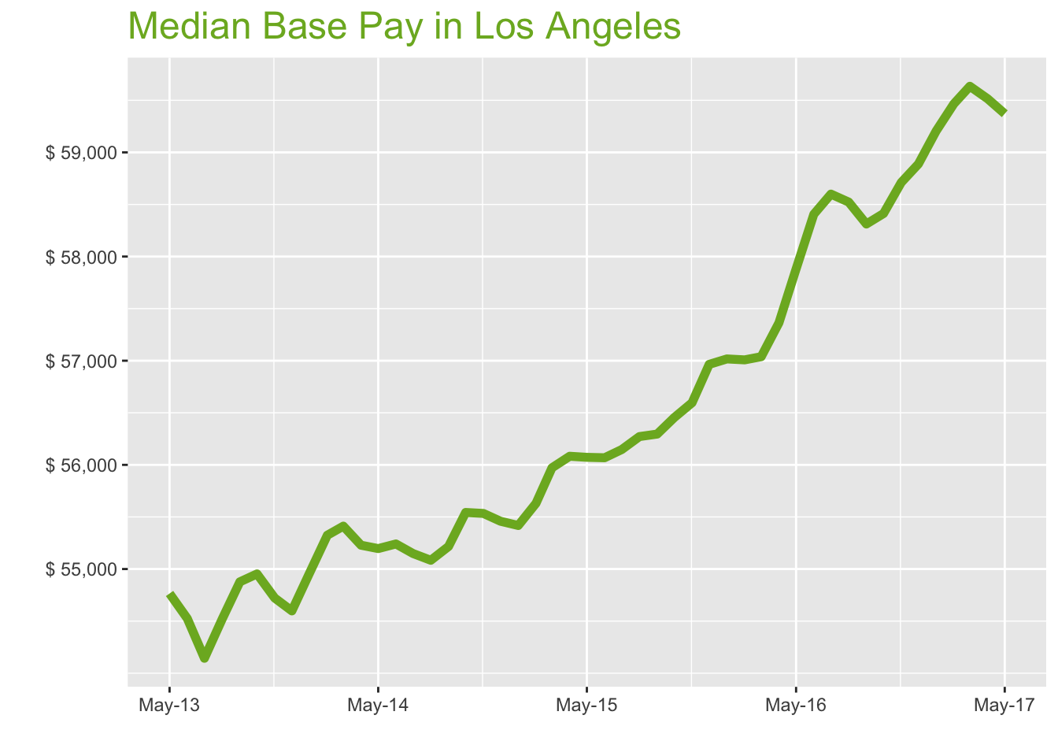
May-17

Job Title

Design
 | Median Base Pay | YoY
Graphic Designer | $55,819 | 1.80%
Education
 | Median Base Pay | YoY
Professor | $115,640 | 4.80%
Teacher | $60,674 | 3.50%
Engineering
 | Median Base Pay | YoY
Mechanical Engineer | $80,681 | 1.70%
Design Engineer | $83,336 | -2.30%
Electrical Engineer | $87,331 | 3.50%
Quality Engineer | $82,402 | 3.70%
Field Engineer | $76,595 | 2.20%
Finance
 | Median Base Pay | YoY
Financial Analyst | $70,830 | 2.50%
Accountant | $61,239 | 3.20%
Bank Teller | $31,108 | 6.60%
Tax Manager | $109,472 | 0.30%
Insurance Agent | $50,968 | 4.40%
Health
 | Median Base Pay | YoY
Registered Nurse | $89,243 | 4.90% | Year | Median Base Pay | YOY
Physical Therapist | $91,766 | 1.00% | 2017-05 | $59,371 | 2.6%
Pharmacy Technician | $36,784 | 4.80% | 2017-04 | $59,515 | 3.8%
Medical Assistant | $37,469 | 2.40% | 2017-03 | $59,635 | 4.6%
Physician | $281,275 | 2.60% | 2017-02 | $59,466 | 4.3%
Medical Technologist | $61,870 | 3.50% | 2017-01 | $59,205 | 3.8%
Emergency Medical Technician | $34,077 | 2.90% | 2016-12 | $58,889 | 3.4%
Human Resources |  |  | 2016-11 | $58,711 | 3.7%
 | Median Base Pay | YoY | 2016-10 | $58,413 | 3.5%
Recruiter | $60,375 | 7.90% | 2016-09 | $58,312 | 3.6%
Human Resources Manager | $84,568 | 2.50% | 2016-08 | $58,523 | 4.0%
Labor |  |  | 2016-07 | $58,599 | 4.4%
 | Median Base Pay | YoY | 2016-06 | $58,406 | 4.2%
Technician | $51,876 | 1.20% | 2016-05 | $57,881 | 3.2%
Warehouse Associate | $45,678 | 7.10% | 2016-04 | $57,364 | 2.3%
Truck Driver | $53,486 | 2.20% | 2016-03 | $57,038 | 1.9%
Machine Operator | $37,425 | 2.40% | 2016-02 | $57,008 | 2.5%
Construction Laborer | $40,325 | 4.90% | 2016-01 | $57,017 | 2.9%
Maintenance Worker | $45,107 | 6.20% | 2015-12 | $56,965 | 2.7%
Law |  |  | 2015-11 | $56,596 | 1.9%
 | Median Base Pay | YoY | 2015-10 | $56,455 | 1.6%
Attorney | $127,624 | 2.60% | 2015-09 | $56,296 | 2.0%
Paralegal | $59,635 | 0.90% | 2015-08 | $56,272 | 2.2%
Manufacturing |  |  | 2015-07 | $56,147 | 1.8%
 | Median Base Pay | YoY | 2015-06 | $56,068 | 1.5%
Production Manager | $77,714 | 3.00% | 2015-05 | $56,072 | 1.6%
Manufacturing Engineer | $80,119 | 4.30% | 2015-04 | $56,083 | 1.5%
Media |  |  | 2015-03 | $55,972 | 1.0%
 | Median Base Pay | YoY | 2015-02 | $55,631 | 0.6%
Producer | $79,552 | 4.40% | 2015-01 | $55,418 | 0.8%
Technical Editor | $61,840 | 2.60% | 2014-12 | $55,459 | 1.6%
Operations |  |  | 2014-11 | $55,534 | 1.5%
 | Median Base Pay | YoY | 2014-10 | $55,543 | 1.1%
Operations Manager | $75,738 | 3.40% | 2014-09 | $55,216 | 0.6%
Operations Analyst | $59,038 | -0.70% | 2014-08 | $55,084 | 1.0%
Professional Services |  |  | 2014-07 | $55,149 | 1.9%
 | Median Base Pay | YoY | 2014-06 | $55,241 | 1.3%
Consultant | $89,134 | 1.40% | 2014-05 | $55,196 | 0.8%
Project Manager | $84,669 | 1.80% | 2014-04 | $55,229
Business Analyst | $74,724 | 3.50% | 2014-03 | $55,412
Administrative Assistant | $47,385 | 3.20% | 2014-02 | $55,325
Marketing Manager | $84,194 | 2.40% | 2014-01 | $54,963
Product Manager | $104,081 | 2.50% | 2013-12 | $54,598
Customer Service Manager | $63,598 | 7.60% | 2013-11 | $54,721
Business Development Manager | $79,564 | 2.50% | 2013-10 | $54,953
Communications Manager | $79,568 | 0.30% | 2013-09 | $54,877
Real Estate |  |  | 2013-08 | $54,519
 | Median Base Pay | YoY | 2013-07 | $54,143
Property Manager | $64,052 | 2.90% | 2013-06 | $54,525
Food Services |  |  | 2013-05 | $54,765
 | Median Base Pay | YoY
Restaurant Cook | $32,723 | 7.50%
Retail
 | Median Base Pay | YoY
Store Manager | $60,022 | 5.40%
Cashier | $30,398 | 5.10%
Buyer | $65,289 | 1.70%
Retail Key Holder | $33,938 | 2.70%
Sales
 | Median Base Pay | YoY
Sales Representative | $55,273 | 5.00%
Sales Manager | $74,496 | 1.50%
Technology
 | Median Base Pay | YoY
Software Engineer | $99,640 | 4.00%
Programmer Analyst | $79,117 | 4.40%
Web Developer | $78,342 | 0.30%
Data Scientist | $112,775 | 2.70%
Data Analyst | $71,235 | 3.00%
Java Developer | $83,586 | -1.40%
Web Designer | $59,046 | 0.90%

Los Angeles Quick Facts

 | May-17 | YoY
Los Angeles Median Pay | $59,371 | 2.60%
U.S. Median Pay | $51,159 | 2.10%
Job Openings | 186,062 | 29.10%
 | Mar-17 | YoY
Labor Force Size* | 6,700,699 | 0.90%
Total Employment* | 6,421,285 | 1.80%
Unemployment Rate* | 4.20% | -0.80%

Industry

 | Median Base Pay
Accounting & Legal | $60,001
Aerospace & Defense | $62,603
Architecture & Civil Engineering | $60,602
Arts & Entertainment | $53,491
Automotive | $53,945
Banking & Financial Services | $58,637
Beauty & Fitness | $52,278
Biotech & Pharmaceuticals | $62,733
Business Services | $56,850
Computer Software & Hardware | $60,677
Construction | $60,179
Consulting | $60,064
Consumer Electronics | $50,891
Consumer Services | $52,576
Education & Schools | $53,694
Energy & Utilities | $65,270
Facilities | $53,705
Farming & Agriculture | $58,543
Government | $58,595
Health Care & Hospitals | $57,151
Information Technology | $58,421
Insurance | $58,439
Internet & Tech | $59,363
Manufacturing | $60,319
Marketing & Advertising | $55,725
Media & Publishing | $56,495
Nonprofit | $53,034
Private Security | $52,930
Real Estate | $56,538
Recruiting & Staffing | $55,912
Restaurants & Bars | $53,713
Retail | $53,636
Supermarkets | $54,595
Telecommunications | $57,582
Transportation & Logistics | $56,745
Travel & Tourism | $53,885
Wholesale | $57,488

Employer Size

 | Median Base Pay
<51 | $53,328
51-200 | $55,245
201-500 | $56,514
501-1000 | $57,371
1001-5000 | $58,799
5000+ | $59,845

CHI
Chicago Metro
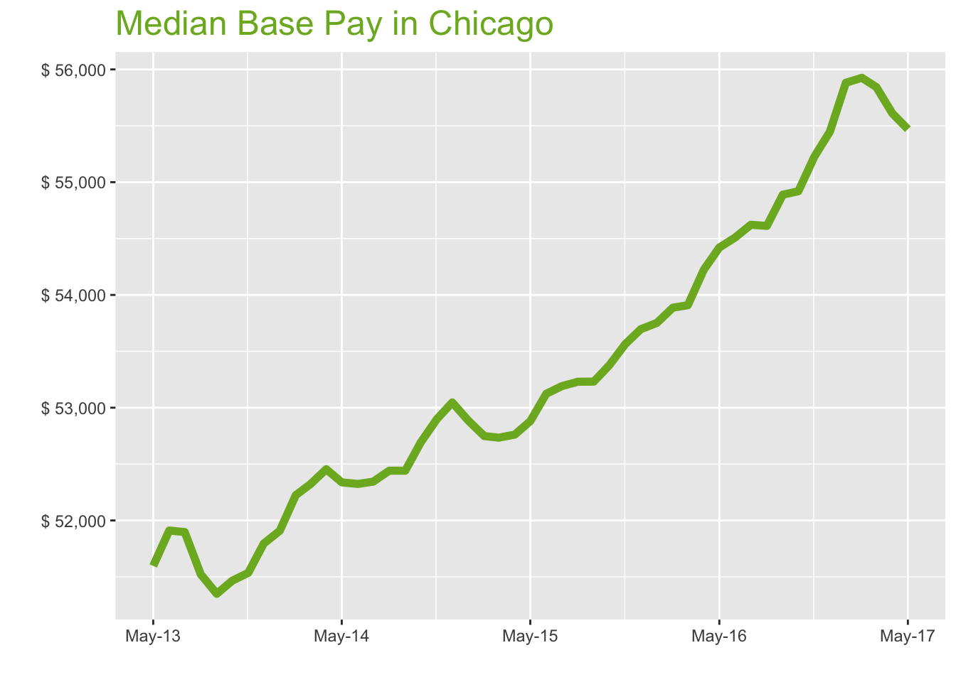
May-17

Job Title

Design
 | Median Base Pay | YoY
Graphic Designer | $49,985 | 1.10%
Education
 | Median Base Pay | YoY
Professor | $100,488 | 4.20%
Teacher | $53,255 | 2.90%
Engineering
 | Median Base Pay | YoY
Mechanical Engineer | $72,518 | 1.10%
Design Engineer | $73,160 | -2.90%
Electrical Engineer | $79,439 | 2.90%
Quality Engineer | $75,284 | 3.00%
Field Engineer | $67,957 | 1.60%
Finance
 | Median Base Pay | YoY
Financial Analyst | $67,135 | 1.90%
Accountant | $59,903 | 2.50%
Bank Teller | $29,321 | 5.90%
Tax Manager | $102,812 | -0.30%
Insurance Agent | $44,590 | 3.80%
Health
 | Median Base Pay | YoY
Registered Nurse | $69,855 | 4.30% | Year | Median Base Pay | YOY
Physical Therapist | $76,019 | 0.40% | 2017-05 | $55,470 | 1.9%
Pharmacy Technician | $32,265 | 4.10% | 2017-04 | $55,610 | 2.6%
Medical Assistant | $35,910 | 1.70% | 2017-03 | $55,843 | 3.6%
Physician | $262,794 | 1.90% | 2017-02 | $55,925 | 3.8%
Medical Technologist | $53,531 | 2.80% | 2017-01 | $55,882 | 4.0%
Emergency Medical Technician | $32,705 | 2.20% | 2016-12 | $55,448 | 3.3%
Human Resources |  |  | 2016-11 | $55,226 | 3.1%
 | Median Base Pay | YoY | 2016-10 | $54,920 | 2.9%
Recruiter | $53,621 | 7.20% | 2016-09 | $54,889 | 3.1%
Human Resources Manager | $80,593 | 1.80% | 2016-08 | $54,612 | 2.6%
Labor |  |  | 2016-07 | $54,622 | 2.7%
 | Median Base Pay | YoY | 2016-06 | $54,511 | 2.6%
Technician | $48,000 | 0.60% | 2016-05 | $54,420 | 2.9%
Warehouse Associate | $48,893 | 6.50% | 2016-04 | $54,224 | 2.8%
Truck Driver | $54,406 | 1.60% | 2016-03 | $53,909 | 2.2%
Machine Operator | $41,160 | 1.80% | 2016-02 | $53,887 | 2.2%
Construction Laborer | $46,293 | 4.20% | 2016-01 | $53,752 | 1.6%
Maintenance Worker | $45,226 | 5.50% | 2015-12 | $53,696 | 1.2%
Law |  |  | 2015-11 | $53,564 | 1.3%
 | Median Base Pay | YoY | 2015-10 | $53,377 | 1.3%
Attorney | $111,065 | 2.00% | 2015-09 | $53,231 | 1.5%
Paralegal | $55,206 | 0.30% | 2015-08 | $53,230 | 1.5%
Manufacturing |  |  | 2015-07 | $53,191 | 1.6%
 | Median Base Pay | YoY | 2015-06 | $53,124 | 1.5%
Production Manager | $69,956 | 2.40% | 2015-05 | $52,881 | 1.0%
Manufacturing Engineer | $74,116 | 3.70% | 2015-04 | $52,761 | 0.6%
Media |  |  | 2015-03 | $52,734 | 0.8%
 | Median Base Pay | YoY | 2015-02 | $52,748 | 1.0%
Producer | $65,339 | 3.80% | 2015-01 | $52,885 | 1.9%
Technical Editor | $57,777 | 1.90% | 2014-12 | $53,047 | 2.4%
Operations |  |  | 2014-11 | $52,898 | 2.6%
 | Median Base Pay | YoY | 2014-10 | $52,693 | 2.4%
Operations Manager | $70,481 | 2.70% | 2014-09 | $52,441 | 2.1%
Operations Analyst | $58,938 | -1.30% | 2014-08 | $52,441 | 1.8%
Professional Services |  |  | 2014-07 | $52,344 | 0.9%
 | Median Base Pay | YoY | 2014-06 | $52,324 | 0.8%
Consultant | $85,074 | 0.70% | 2014-05 | $52,338 | 1.4%
Project Manager | $80,339 | 1.10% | 2014-04 | $52,454
Business Analyst | $73,916 | 2.80% | 2014-03 | $52,321
Administrative Assistant | $44,159 | 2.60% | 2014-02 | $52,224
Marketing Manager | $80,670 | 1.80% | 2014-01 | $51,908
Product Manager | $97,750 | 1.90% | 2013-12 | $51,795
Customer Service Manager | $60,156 | 6.90% | 2013-11 | $51,535
Business Development Manager | $73,561 | 1.80% | 2013-10 | $51,466
Communications Manager | $75,211 | -0.30% | 2013-09 | $51,349
Real Estate |  |  | 2013-08 | $51,523
 | Median Base Pay | YoY | 2013-07 | $51,897
Property Manager | $59,885 | 2.30% | 2013-06 | $51,911
Food Services |  |  | 2013-05 | $51,597
 | Median Base Pay | YoY
Restaurant Cook | $30,062 | 6.80%
Retail
 | Median Base Pay | YoY
Store Manager | $52,892 | 4.70%
Cashier | $28,773 | 4.40%
Buyer | $66,331 | 1.10%
Retail Key Holder | $31,790 | 2.10%
Sales
 | Median Base Pay | YoY
Sales Representative | $51,456 | 4.40%
Sales Manager | $70,491 | 0.90%
Technology
 | Median Base Pay | YoY
Software Engineer | $87,867 | 3.40%
Programmer Analyst | $75,333 | 3.70%
Web Developer | $73,686 | -0.40%
Data Scientist | $99,900 | 2.10%
Data Analyst | $65,217 | 2.30%
Java Developer | $77,947 | -2.00%
Web Designer | $57,879 | 0.30%

Chicago Quick Facts

 | May-17 | YoY
Chicago Median Pay | $55,470 | 1.90%
U.S. Median Pay | $51,159 | 2.10%
Job Openings | 166,070 | 17.30%
 | Mar-17 | YoY
Labor Force Size* | 4,860,046 | -1.70%
Total Employment* | 4,643,222 | 0.20%
Unemployment Rate* | 4.50% | -1.80%

Industry

 | Median Base Pay
Accounting & Legal | $55,812
Aerospace & Defense | $58,233
Architecture & Civil Engineering | $56,372
Arts & Entertainment | $49,757
Automotive | $50,179
Banking & Financial Services | $54,544
Beauty & Fitness | $48,629
Biotech & Pharmaceuticals | $58,354
Business Services | $52,881
Computer Software & Hardware | $56,441
Construction | $55,978
Consulting | $55,871
Consumer Electronics | $47,339
Consumer Services | $48,906
Education & Schools | $49,946
Energy & Utilities | $60,714
Facilities | $49,956
Farming & Agriculture | $54,456
Government | $54,505
Health Care & Hospitals | $53,162
Information Technology | $54,343
Insurance | $54,360
Internet & Tech | $55,219
Manufacturing | $56,108
Marketing & Advertising | $51,834
Media & Publishing | $52,551
Nonprofit | $49,331
Private Security | $49,235
Real Estate | $52,592
Recruiting & Staffing | $52,009
Restaurants & Bars | $49,964
Retail | $49,891
Supermarkets | $50,784
Telecommunications | $53,562
Transportation & Logistics | $52,784
Travel & Tourism | $50,123
Wholesale | $53,475

Employer Size

 | Median Base Pay
<51 | $49,605
51-200 | $51,389
201-500 | $52,569
501-1000 | $53,366
1001-5000 | $54,694
5000+ | $55,668

HOU
Houston Metro
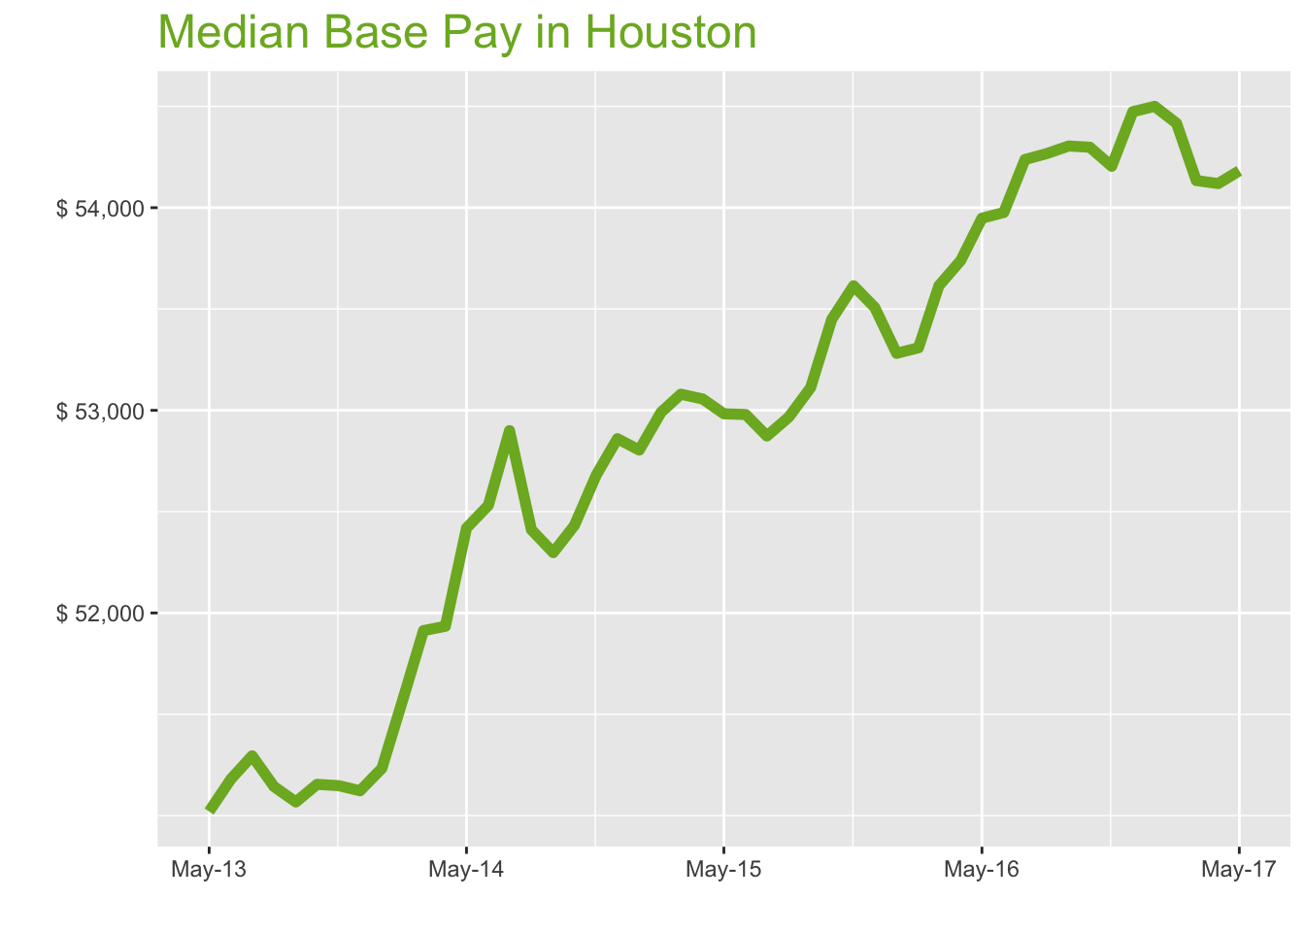
May-17

Job Title

Design
 | Median Base Pay | YoY
Graphic Designer | $46,733 | -0.30%
Education
 | Median Base Pay | YoY
Professor | $97,236 | 2.70%
Teacher | $50,268 | 1.40%
Engineering
 | Median Base Pay | YoY
Mechanical Engineer | $81,148 | -0.40%
Design Engineer | $79,511 | -4.30%
Electrical Engineer | $83,501 | 1.40%
Quality Engineer | $75,104 | 1.50%
Field Engineer | $71,660 | 0.10%
Finance
 | Median Base Pay | YoY
Financial Analyst | $69,435 | 0.40%
Accountant | $59,382 | 1.00%
Bank Teller | $28,475 | 4.40%
Tax Manager | $101,188 | -1.80%
Insurance Agent | $41,342 | 2.20%
Health
 | Median Base Pay | YoY
Registered Nurse | $71,094 | 2.70% | Year | Median Base Pay | YOY
Physical Therapist | $77,569 | -1.10% | 2017-05 | $54,182 | 0.4%
Pharmacy Technician | $32,219 | 2.60% | 2017-04 | $54,119 | 0.7%
Medical Assistant | $34,712 | 0.20% | 2017-03 | $54,134 | 1.0%
Physician | $256,691 | 0.40% | 2017-02 | $54,416 | 2.1%
Medical Technologist | $56,463 | 1.30% | 2017-01 | $54,500 | 2.3%
Emergency Medical Technician | $38,193 | 0.70% | 2016-12 | $54,474 | 1.8%
Human Resources |  |  | 2016-11 | $54,204 | 1.1%
 | Median Base Pay | YoY | 2016-10 | $54,298 | 1.6%
Recruiter | $53,140 | 5.60% | 2016-09 | $54,304 | 2.2%
Human Resources Manager | $80,152 | 0.30% | 2016-08 | $54,267 | 2.5%
Labor |  |  | 2016-07 | $54,238 | 2.6%
 | Median Base Pay | YoY | 2016-06 | $53,976 | 1.9%
Technician | $47,361 | -0.90% | 2016-05 | $53,948 | 1.8%
Warehouse Associate | $38,212 | 4.90% | 2016-04 | $53,740 | 1.3%
Truck Driver | $52,215 | 0.10% | 2016-03 | $53,615 | 1.0%
Machine Operator | $42,755 | 0.30% | 2016-02 | $53,309 | 0.6%
Construction Laborer | $37,637 | 2.70% | 2016-01 | $53,281 | 0.9%
Maintenance Worker | $40,663 | 4.00% | 2015-12 | $53,508 | 1.2%
Law |  |  | 2015-11 | $53,615 | 1.8%
 | Median Base Pay | YoY | 2015-10 | $53,449 | 1.9%
Attorney | $122,061 | 0.50% | 2015-09 | $53,112 | 1.6%
Paralegal | $53,448 | -1.20% | 2015-08 | $52,966 | 1.1%
Manufacturing |  |  | 2015-07 | $52,873 | 0.0%
 | Median Base Pay | YoY | 2015-06 | $52,979 | 0.9%
Production Manager | $68,369 | 0.90% | 2015-05 | $52,983 | 1.1%
Manufacturing Engineer | $76,480 | 2.10% | 2015-04 | $53,056 | 2.2%
Media |  |  | 2015-03 | $53,080 | 2.2%
 | Median Base Pay | YoY | 2015-02 | $52,991 | 2.7%
Producer | $57,533 | 2.20% | 2015-01 | $52,804 | 3.1%
Technical Editor | $56,435 | 0.40% | 2014-12 | $52,860 | 3.4%
Operations |  |  | 2014-11 | $52,681 | 3.0%
 | Median Base Pay | YoY | 2014-10 | $52,432 | 2.5%
Operations Manager | $70,282 | 1.20% | 2014-09 | $52,298 | 2.4%
Operations Analyst | $59,123 | -2.80% | 2014-08 | $52,411 | 2.5%
Professional Services |  |  | 2014-07 | $52,900 | 3.1%
 | Median Base Pay | YoY | 2014-06 | $52,531 | 2.6%
Consultant | $80,065 | -0.80% | 2014-05 | $52,419 | 2.7%
Project Manager | $83,461 | -0.40% | 2014-04 | $51,934
Business Analyst | $71,572 | 1.30% | 2014-03 | $51,913
Administrative Assistant | $42,405 | 1.10% | 2014-02 | $51,588
Marketing Manager | $74,773 | 0.30% | 2014-01 | $51,233
Product Manager | $94,220 | 0.40% | 2013-12 | $51,123
Customer Service Manager | $56,285 | 5.40% | 2013-11 | $51,148
Business Development Manager | $78,611 | 0.30% | 2013-10 | $51,154
Communications Manager | $71,024 | -1.80% | 2013-09 | $51,067
Real Estate |  |  | 2013-08 | $51,143
 | Median Base Pay | YoY | 2013-07 | $51,295
Property Manager | $55,232 | 0.80% | 2013-06 | $51,181
Food Services |  |  | 2013-05 | $51,020
 | Median Base Pay | YoY
Restaurant Cook | $27,399 | 5.20%
Retail
 | Median Base Pay | YoY
Store Manager | $50,709 | 3.20%
Cashier | $26,528 | 2.90%
Buyer | $61,224 | -0.40%
Retail Key Holder | $29,451 | 0.60%
Sales
 | Median Base Pay | YoY
Sales Representative | $50,587 | 2.80%
Sales Manager | $67,110 | -0.60%
Technology
 | Median Base Pay | YoY
Software Engineer | $83,890 | 1.90%
Programmer Analyst | $70,493 | 2.20%
Web Developer | $71,469 | -1.80%
Data Scientist | $108,956 | 0.50%
Data Analyst | $64,598 | 0.80%
Java Developer | $78,006 | -3.50%
Web Designer | $51,282 | -1.20%

Houston Quick Facts

 | May-17 | YoY
Houston Median Pay | $54,182 | 0.40%
U.S. Median Pay | $51,159 | 2.10%
Job Openings | 86,902 | 22.00%
 | Mar-17 | YoY
Labor Force Size* | 3,327,856 | 1.40%
Total Employment* | 3,137,846 | 0.60%
Unemployment Rate* | 5.70% | 0.80%

Industry

 | Median Base Pay
Accounting & Legal | $54,708
Aerospace & Defense | $57,080
Architecture & Civil Engineering | $55,256
Arts & Entertainment | $48,772
Automotive | $49,186
Banking & Financial Services | $53,464
Beauty & Fitness | $47,666
Biotech & Pharmaceuticals | $57,199
Business Services | $51,835
Computer Software & Hardware | $55,324
Construction | $54,870
Consulting | $54,765
Consumer Electronics | $46,402
Consumer Services | $47,938
Education & Schools | $48,957
Energy & Utilities | $59,512
Facilities | $48,967
Farming & Agriculture | $53,379
Government | $53,426
Health Care & Hospitals | $52,109
Information Technology | $53,267
Insurance | $53,284
Internet & Tech | $54,126
Manufacturing | $54,997
Marketing & Advertising | $50,808
Media & Publishing | $51,511
Nonprofit | $48,355
Private Security | $48,260
Real Estate | $51,551
Recruiting & Staffing | $50,980
Restaurants & Bars | $48,975
Retail | $48,904
Supermarkets | $49,779
Telecommunications | $52,502
Transportation & Logistics | $51,739
Travel & Tourism | $49,131
Wholesale | $52,417

Employer Size

 | Median Base Pay
<51 | $48,624
51-200 | $50,372
201-500 | $51,528
501-1000 | $52,310
1001-5000 | $53,612
5000+ | $54,566

NYC
New York City Metro
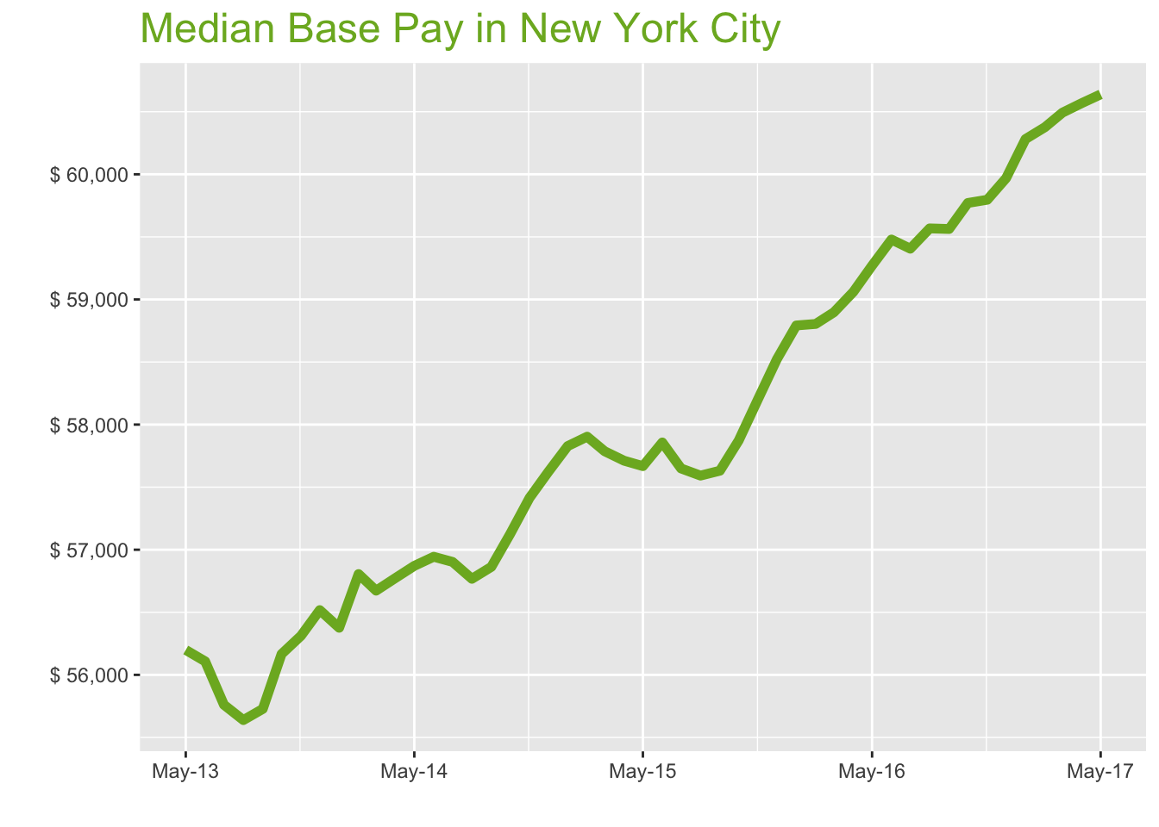
May-17

Job Title

Design
 | Median Base Pay | YoY
Graphic Designer | $57,219 | 1.50%
Education
 | Median Base Pay | YoY
Professor | $115,110 | 4.60%
Teacher | $63,257 | 3.30%
Engineering
 | Median Base Pay | YoY
Mechanical Engineer | $73,967 | 1.50%
Design Engineer | $77,402 | -2.50%
Electrical Engineer | $79,258 | 3.20%
Quality Engineer | $77,470 | 3.40%
Field Engineer | $76,342 | 2.00%
Finance
 | Median Base Pay | YoY
Financial Analyst | $76,852 | 2.30%
Accountant | $63,473 | 2.90%
Bank Teller | $32,146 | 6.30%
Tax Manager | $118,065 | 0.00%
Insurance Agent | $44,561 | 4.10%
Health
 | Median Base Pay | YoY
Registered Nurse | $85,639 | 4.60% | Year | Median Base Pay | YOY
Physical Therapist | $79,538 | 0.80% | 2017-05 | $60,639 | 2.3%
Pharmacy Technician | $30,010 | 4.50% | 2017-04 | $60,569 | 2.6%
Medical Assistant | $38,406 | 2.10% | 2017-03 | $60,493 | 2.7%
Physician | $287,279 | 2.30% | 2017-02 | $60,376 | 2.7%
Medical Technologist | $61,084 | 3.20% | 2017-01 | $60,282 | 2.5%
Emergency Medical Technician | $38,400 | 2.60% | 2016-12 | $59,969 | 2.5%
Human Resources |  |  | 2016-11 | $59,797 | 2.7%
 | Median Base Pay | YoY | 2016-10 | $59,771 | 3.3%
Recruiter | $61,531 | 7.60% | 2016-09 | $59,563 | 3.4%
Human Resources Manager | $85,953 | 2.20% | 2016-08 | $59,568 | 3.4%
Labor |  |  | 2016-07 | $59,406 | 3.0%
 | Median Base Pay | YoY | 2016-06 | $59,479 | 2.8%
Technician | $51,120 | 0.90% | 2016-05 | $59,271 | 2.8%
Warehouse Associate | $38,346 | 6.90% | 2016-04 | $59,060 | 2.3%
Truck Driver | $53,129 | 2.00% | 2016-03 | $58,897 | 1.9%
Machine Operator | $40,580 | 2.20% | 2016-02 | $58,804 | 1.6%
Construction Laborer | $47,503 | 4.60% | 2016-01 | $58,792 | 1.7%
Maintenance Worker | $43,348 | 5.90% | 2015-12 | $58,522 | 1.6%
Law |  |  | 2015-11 | $58,205 | 1.4%
 | Median Base Pay | YoY | 2015-10 | $57,873 | 1.3%
Attorney | $126,763 | 2.40% | 2015-09 | $57,631 | 1.4%
Paralegal | $55,971 | 0.60% | 2015-08 | $57,592 | 1.5%
Manufacturing |  |  | 2015-07 | $57,649 | 1.3%
 | Median Base Pay | YoY | 2015-06 | $57,857 | 1.6%
Production Manager | $76,778 | 2.80% | 2015-05 | $57,668 | 1.4%
Manufacturing Engineer | $75,175 | 4.00% | 2015-04 | $57,711 | 1.7%
Media |  |  | 2015-03 | $57,787 | 2.0%
 | Median Base Pay | YoY | 2015-02 | $57,903 | 1.9%
Producer | $79,431 | 4.10% | 2015-01 | $57,828 | 2.6%
Technical Editor | $63,160 | 2.30% | 2014-12 | $57,622 | 2.0%
Operations |  |  | 2014-11 | $57,414 | 2.0%
 | Median Base Pay | YoY | 2014-10 | $57,125 | 1.7%
Operations Manager | $77,355 | 3.10% | 2014-09 | $56,863 | 2.0%
Operations Analyst | $69,066 | -1.00% | 2014-08 | $56,768 | 2.0%
Professional Services |  |  | 2014-07 | $56,903 | 2.0%
 | Median Base Pay | YoY | 2014-06 | $56,944 | 1.5%
Consultant | $89,551 | 1.10% | 2014-05 | $56,871 | 1.2%
Project Manager | $86,068 | 1.50% | 2014-04 | $56,774
Business Analyst | $80,766 | 3.20% | 2014-03 | $56,673
Administrative Assistant | $48,689 | 3.00% | 2014-02 | $56,805
Marketing Manager | $84,643 | 2.20% | 2014-01 | $56,376
Product Manager | $107,527 | 2.20% | 2013-12 | $56,517
Customer Service Manager | $62,226 | 7.30% | 2013-11 | $56,312
Business Development Manager | $81,772 | 2.20% | 2013-10 | $56,166
Communications Manager | $81,430 | 0.10% | 2013-09 | $55,728
Real Estate |  |  | 2013-08 | $55,639
 | Median Base Pay | YoY | 2013-07 | $55,761
Property Manager | $68,911 | 2.70% | 2013-06 | $56,108
Food Services |  |  | 2013-05 | $56,199
 | Median Base Pay | YoY
Restaurant Cook | $32,154 | 7.20%
Retail
 | Median Base Pay | YoY
Store Manager | $57,990 | 5.10%
Cashier | $28,803 | 4.80%
Buyer | $74,080 | 1.50%
Retail Key Holder | $34,329 | 2.40%
Sales
 | Median Base Pay | YoY
Sales Representative | $56,840 | 4.80%
Sales Manager | $76,804 | 1.20%
Technology
 | Median Base Pay | YoY
Software Engineer | $105,382 | 3.80%
Programmer Analyst | $81,668 | 4.10%
Web Developer | $83,941 | 0.00%
Data Scientist | $112,436 | 2.40%
Data Analyst | $71,622 | 2.70%
Java Developer | $80,744 | -1.70%
Web Designer | $62,127 | 0.60%

New York City Quick Facts

 | May-17 | YoY
New York City Median Pay | $60,639 | 2.30%
U.S. Median Pay | $51,159 | 2.10%
Job Openings | 265,577 | 14.40%
 | Mar-17 | YoY
Labor Force Size* | 10,046,114 | -0.10%
Total Employment* | 9,634,926 | 0.80%
Unemployment Rate* | 4.10% | -0.90%

Industry

 | Median Base Pay
Accounting & Legal | $60,972
Aerospace & Defense | $63,616
Architecture & Civil Engineering | $61,583
Arts & Entertainment | $54,357
Automotive | $54,818
Banking & Financial Services | $59,586
Beauty & Fitness | $53,124
Biotech & Pharmaceuticals | $63,749
Business Services | $57,770
Computer Software & Hardware | $61,659
Construction | $61,153
Consulting | $61,036
Consumer Electronics | $51,715
Consumer Services | $53,427
Education & Schools | $54,563
Energy & Utilities | $66,326
Facilities | $54,574
Farming & Agriculture | $59,491
Government | $59,544
Health Care & Hospitals | $58,076
Information Technology | $59,366
Insurance | $59,385
Internet & Tech | $60,324
Manufacturing | $61,295
Marketing & Advertising | $56,626
Media & Publishing | $57,409
Nonprofit | $53,892
Private Security | $53,786
Real Estate | $57,454
Recruiting & Staffing | $56,817
Restaurants & Bars | $54,583
Retail | $54,504
Supermarkets | $55,479
Telecommunications | $58,514
Transportation & Logistics | $57,664
Travel & Tourism | $54,757
Wholesale | $58,419

Employer Size

 | Median Base Pay
<51 | $54,191
51-200 | $56,140
201-500 | $57,429
501-1000 | $58,300
1001-5000 | $59,751
5000+ | $60,814

ATL
Atlanta Metro

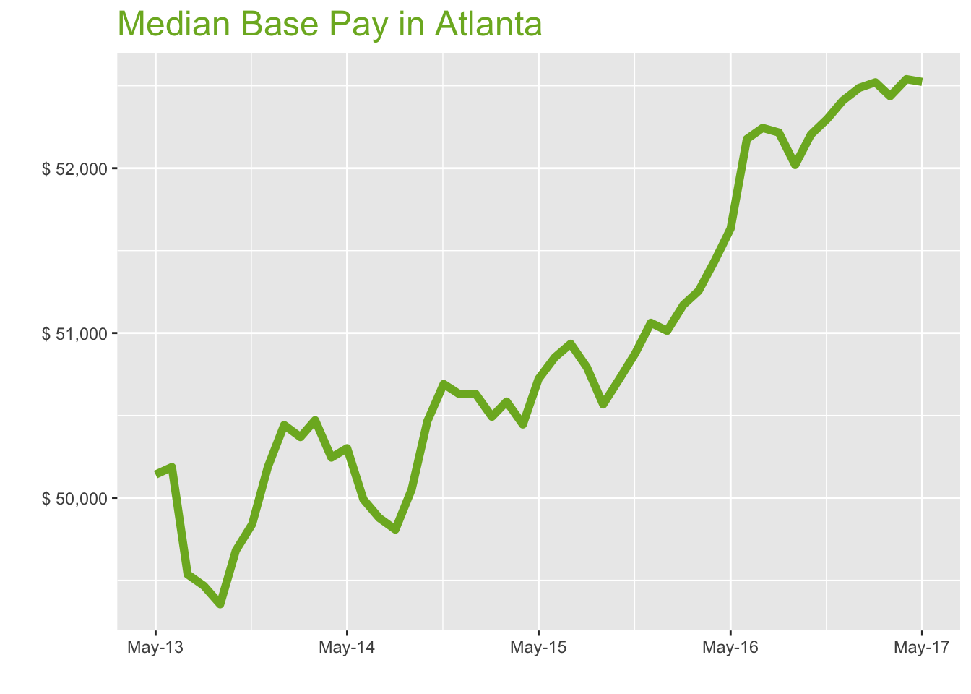
May-17

Job Title

Design
 | Median Base Pay | YoY
Graphic Designer | $49,316 | 0.90%
Education
 | Median Base Pay | YoY
Professor | $90,566 | 4.00%
Teacher | $47,685 | 2.70%
Engineering
 | Median Base Pay | YoY
Mechanical Engineer | $71,958 | 0.90%
Design Engineer | $69,958 | -3.10%
Electrical Engineer | $75,809 | 2.70%
Quality Engineer | $70,261 | 2.80%
Field Engineer | $67,447 | 1.40%
Finance
 | Median Base Pay | YoY
Financial Analyst | $64,174 | 1.70%
Accountant | $56,560 | 2.30%
Bank Teller | $29,795 | 5.70%
Tax Manager | $97,019 | -0.50%
Insurance Agent | $40,140 | 3.60%
Health
 | Median Base Pay | YoY
Registered Nurse | $64,771 | 4.10% | Year | Median Base Pay | YOY
Physical Therapist | $76,185 | 0.20% | 2017-05 | $52,524 | 1.7%
Pharmacy Technician | $28,714 | 3.90% | 2017-04 | $52,540 | 2.1%
Medical Assistant | $34,100 | 1.50% | 2017-03 | $52,437 | 2.3%
Physician | $248,837 | 1.70% | 2017-02 | $52,521 | 2.6%
Medical Technologist | $55,781 | 2.60% | 2017-01 | $52,488 | 2.9%
Emergency Medical Technician | $36,193 | 2.00% | 2016-12 | $52,411 | 2.6%
Human Resources |  |  | 2016-11 | $52,299 | 2.8%
 | Median Base Pay | YoY | 2016-10 | $52,204 | 2.9%
Recruiter | $52,114 | 7.00% | 2016-09 | $52,020 | 2.9%
Human Resources Manager | $75,550 | 1.60% | 2016-08 | $52,217 | 2.8%
Labor |  |  | 2016-07 | $52,245 | 2.6%
 | Median Base Pay | YoY | 2016-06 | $52,177 | 2.6%
Technician | $44,117 | 0.40% | 2016-05 | $51,634 | 1.8%
Warehouse Associate | $38,589 | 6.20% | 2016-04 | $51,440 | 2.0%
Truck Driver | $47,600 | 1.40% | 2016-03 | $51,256 | 1.3%
Machine Operator | $37,085 | 1.60% | 2016-02 | $51,171 | 1.3%
Construction Laborer | $35,854 | 4.00% | 2016-01 | $51,013 | 0.8%
Maintenance Worker | $40,025 | 5.30% | 2015-12 | $51,062 | 0.9%
Law |  |  | 2015-11 | $50,875 | 0.4%
 | Median Base Pay | YoY | 2015-10 | $50,716 | 0.5%
Attorney | $103,792 | 1.80% | 2015-09 | $50,567 | 1.0%
Paralegal | $52,065 | 0.10% | 2015-08 | $50,792 | 2.0%
Manufacturing |  |  | 2015-07 | $50,935 | 2.1%
 | Median Base Pay | YoY | 2015-06 | $50,853 | 1.7%
Production Manager | $67,132 | 2.20% | 2015-05 | $50,722 | 0.8%
Manufacturing Engineer | $73,554 | 3.50% | 2015-04 | $50,445 | 0.4%
Media |  |  | 2015-03 | $50,584 | 0.2%
 | Median Base Pay | YoY | 2015-02 | $50,492 | 0.2%
Producer | $62,581 | 3.60% | 2015-01 | $50,630 | 0.4%
Technical Editor | $54,708 | 1.70% | 2014-12 | $50,629 | 0.9%
Operations |  |  | 2014-11 | $50,691 | 1.7%
 | Median Base Pay | YoY | 2014-10 | $50,465 | 1.6%
Operations Manager | $69,829 | 2.50% | 2014-09 | $50,051 | 1.4%
Operations Analyst | $55,118 | -1.50% | 2014-08 | $49,807 | 0.7%
Professional Services |  |  | 2014-07 | $49,878 | 0.7%
 | Median Base Pay | YoY | 2014-06 | $49,991 | -0.4%
Consultant | $83,091 | 0.50% | 2014-05 | $50,301 | 0.3%
Project Manager | $77,526 | 0.90% | 2014-04 | $50,244
Business Analyst | $71,341 | 2.60% | 2014-03 | $50,471
Administrative Assistant | $40,523 | 2.40% | 2014-02 | $50,369
Marketing Manager | $75,620 | 1.60% | 2014-01 | $50,442
Product Manager | $95,449 | 1.70% | 2013-12 | $50,188
Customer Service Manager | $55,753 | 6.70% | 2013-11 | $49,840
Business Development Manager | $73,355 | 1.60% | 2013-10 | $49,681
Communications Manager | $73,155 | -0.50% | 2013-09 | $49,354
Real Estate |  |  | 2013-08 | $49,466
 | Median Base Pay | YoY | 2013-07 | $49,535
Property Manager | $55,791 | 2.10% | 2013-06 | $50,187
Food Services |  |  | 2013-05 | $50,141
 | Median Base Pay | YoY
Restaurant Cook | $27,205 | 6.60%
Retail
 | Median Base Pay | YoY
Store Manager | $49,847 | 4.50%
Cashier | $25,996 | 4.20%
Buyer | $59,641 | 0.90%
Retail Key Holder | $30,227 | 1.80%
Sales
 | Median Base Pay | YoY
Sales Representative | $49,711 | 4.20%
Sales Manager | $66,095 | 0.70%
Technology
 | Median Base Pay | YoY
Software Engineer | $84,666 | 3.20%
Programmer Analyst | $72,448 | 3.50%
Web Developer | $74,087 | -0.60%
Data Scientist | $92,182 | 1.90%
Data Analyst | $65,037 | 2.10%
Java Developer | $73,894 | -2.20%
Web Designer | $55,518 | 0.10%

Atlanta Quick Facts

 | May-17 | YoY
Atlanta Median Pay | $52,524 | 1.70%
U.S. Median Pay | $51,159 | 2.10%
Job Openings | 102,463 | 22.30%
 | Mar-17 | YoY
Labor Force Size* | 3,010,116 | 3.30%
Total Employment* | 2,870,881 | 3.80%
Unemployment Rate* | 4.60% | -0.50%

Industry

 | Median Base Pay
Accounting & Legal | $53,025
Aerospace & Defense | $55,325
Architecture & Civil Engineering | $53,557
Arts & Entertainment | $47,273
Automotive | $47,673
Banking & Financial Services | $51,820
Beauty & Fitness | $46,201
Biotech & Pharmaceuticals | $55,440
Business Services | $50,241
Computer Software & Hardware | $53,623
Construction | $53,183
Consulting | $53,081
Consumer Electronics | $44,975
Consumer Services | $46,463
Education & Schools | $47,452
Energy & Utilities | $57,682
Facilities | $47,461
Farming & Agriculture | $51,737
Government | $51,783
Health Care & Hospitals | $50,507
Information Technology | $51,629
Insurance | $51,645
Internet & Tech | $52,462
Manufacturing | $53,306
Marketing & Advertising | $49,246
Media & Publishing | $49,927
Nonprofit | $46,868
Private Security | $46,776
Real Estate | $49,965
Recruiting & Staffing | $49,412
Restaurants & Bars | $47,469
Retail | $47,400
Supermarkets | $48,248
Telecommunications | $50,887
Transportation & Logistics | $50,148
Travel & Tourism | $47,620
Wholesale | $50,805

Employer Size

 | Median Base Pay
<51 | $47,128
51-200 | $48,823
201-500 | $49,944
501-1000 | $50,702
1001-5000 | $51,963
5000+ | $52,888

BOS
Boston Metro
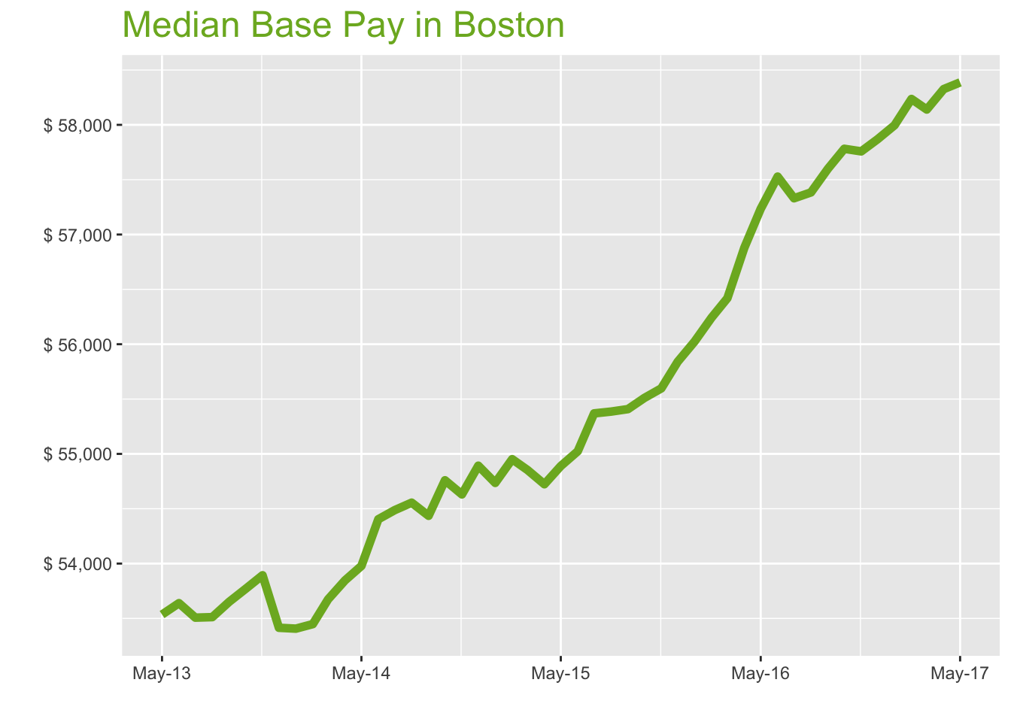
May-17

Job Title

Design
 | Median Base Pay | YoY
Graphic Designer | $54,288 | 1.20%
Education
 | Median Base Pay | YoY
Professor | $124,076 | 4.30%
Teacher | $57,309 | 3.00%
Engineering
 | Median Base Pay | YoY
Mechanical Engineer | $80,105 | 1.20%
Design Engineer | $86,513 | -2.80%
Electrical Engineer | $85,283 | 3.00%
Quality Engineer | $86,015 | 3.10%
Field Engineer | $74,566 | 1.70%
Finance
 | Median Base Pay | YoY
Financial Analyst | $68,257 | 2.00%
Accountant | $62,850 | 2.60%
Bank Teller | $32,270 | 6.00%
Tax Manager | $104,431 | -0.20%
Insurance Agent | $46,674 | 3.90%
Health
 | Median Base Pay | YoY
Registered Nurse | $77,319 | 4.30% | Year | Median Base Pay | YOY
Physical Therapist | $75,489 | 0.50% | 2017-05 | $58,387 | 2.0%
Pharmacy Technician | $31,976 | 4.20% | 2017-04 | $58,326 | 2.5%
Medical Assistant | $40,028 | 1.80% | 2017-03 | $58,140 | 3.0%
Physician | $276,612 | 2.00% | 2017-02 | $58,236 | 3.5%
Medical Technologist | $61,977 | 2.90% | 2017-01 | $57,996 | 3.5%
Emergency Medical Technician | $41,387 | 2.30% | 2016-12 | $57,869 | 3.6%
Human Resources |  |  | 2016-11 | $57,758 | 3.9%
 | Median Base Pay | YoY | 2016-10 | $57,782 | 4.1%
Recruiter | $58,218 | 7.30% | 2016-09 | $57,599 | 4.0%
Human Resources Manager | $84,556 | 1.90% | 2016-08 | $57,384 | 3.6%
Labor |  |  | 2016-07 | $57,331 | 3.5%
 | Median Base Pay | YoY | 2016-06 | $57,528 | 4.6%
Technician | $47,684 | 0.60% | 2016-05 | $57,235 | 4.3%
Warehouse Associate | $46,658 | 6.50% | 2016-04 | $56,880 | 3.9%
Truck Driver | $57,162 | 1.70% | 2016-03 | $56,420 | 2.9%
Machine Operator | $43,156 | 1.90% | 2016-02 | $56,242 | 2.3%
Construction Laborer | $49,032 | 4.30% | 2016-01 | $56,025 | 2.4%
Maintenance Worker | $49,362 | 5.60% | 2015-12 | $55,840 | 1.7%
Law |  |  | 2015-11 | $55,597 | 1.8%
 | Median Base Pay | YoY | 2015-10 | $55,510 | 1.4%
Attorney | $107,707 | 2.10% | 2015-09 | $55,408 | 1.8%
Paralegal | $56,513 | 0.30% | 2015-08 | $55,386 | 1.5%
Manufacturing |  |  | 2015-07 | $55,369 | 1.6%
 | Median Base Pay | YoY | 2015-06 | $55,024 | 1.1%
Production Manager | $70,140 | 2.50% | 2015-05 | $54,889 | 1.7%
Manufacturing Engineer | $79,017 | 3.80% | 2015-04 | $54,723 | 1.6%
Media |  |  | 2015-03 | $54,853 | 2.2%
 | Median Base Pay | YoY | 2015-02 | $54,952 | 2.8%
Producer | $67,458 | 3.90% | 2015-01 | $54,736 | 2.5%
Technical Editor | $60,815 | 2.00% | 2014-12 | $54,892 | 2.8%
Operations |  |  | 2014-11 | $54,631 | 1.4%
 | Median Base Pay | YoY | 2014-10 | $54,759 | 1.8%
Operations Manager | $75,747 | 2.80% | 2014-09 | $54,436 | 1.5%
Operations Analyst | $57,544 | -1.30% | 2014-08 | $54,555 | 2.0%
Professional Services |  |  | 2014-07 | $54,487 | 1.8%
 | Median Base Pay | YoY | 2014-06 | $54,404 | 1.4%
Consultant | $91,765 | 0.80% | 2014-05 | $53,978 | 0.8%
Project Manager | $82,774 | 1.20% | 2014-04 | $53,847
Business Analyst | $75,374 | 2.90% | 2014-03 | $53,674
Administrative Assistant | $49,312 | 2.70% | 2014-02 | $53,448
Marketing Manager | $83,145 | 1.90% | 2014-01 | $53,407
Product Manager | $105,388 | 2.00% | 2013-12 | $53,415
Customer Service Manager | $62,283 | 7.00% | 2013-11 | $53,893
Business Development Manager | $79,001 | 1.90% | 2013-10 | $53,769
Communications Manager | $78,881 | -0.20% | 2013-09 | $53,652
Real Estate |  |  | 2013-08 | $53,512
 | Median Base Pay | YoY | 2013-07 | $53,507
Property Manager | $66,308 | 2.40% | 2013-06 | $53,639
Food Services |  |  | 2013-05 | $53,535
 | Median Base Pay | YoY
Restaurant Cook | $33,766 | 6.90%
Retail
 | Median Base Pay | YoY
Store Manager | $57,157 | 4.80%
Cashier | $30,040 | 4.50%
Buyer | $61,953 | 1.20%
Retail Key Holder | $34,238 | 2.10%
Sales
 | Median Base Pay | YoY
Sales Representative | $56,986 | 4.50%
Sales Manager | $76,360 | 1.00%
Technology
 | Median Base Pay | YoY
Software Engineer | $96,673 | 3.50%
Programmer Analyst | $76,796 | 3.80%
Web Developer | $83,395 | -0.30%
Data Scientist | $108,817 | 2.10%
Data Analyst | $70,417 | 2.40%
Java Developer | $87,122 | -2.00%
Web Designer | $60,970 | 0.40%

Boston Quick Facts

 | May-17 | YoY
Boston Median Pay | $58,387 | 2.00%
U.S. Median Pay | $51,159 | 2.10%
Job Openings | 132,512 | 24.90%
 | Mar-17 | YoY
Labor Force Size* | 2,714,082 | 2.60%
Total Employment* | 2,620,529 | 3.10%
Unemployment Rate* | 3.40% | -0.40%

Industry

 | Median Base Pay
Accounting & Legal | $58,984
Aerospace & Defense | $61,542
Architecture & Civil Engineering | $59,574
Arts & Entertainment | $52,584
Automotive | $53,030
Banking & Financial Services | $57,643
Beauty & Fitness | $51,392
Biotech & Pharmaceuticals | $61,669
Business Services | $55,886
Computer Software & Hardware | $59,648
Construction | $59,159
Consulting | $59,045
Consumer Electronics | $50,028
Consumer Services | $51,684
Education & Schools | $52,784
Energy & Utilities | $64,163
Facilities | $52,794
Farming & Agriculture | $57,551
Government | $57,602
Health Care & Hospitals | $56,182
Information Technology | $57,430
Insurance | $57,448
Internet & Tech | $58,357
Manufacturing | $59,296
Marketing & Advertising | $54,780
Media & Publishing | $55,537
Nonprofit | $52,134
Private Security | $52,032
Real Estate | $55,580
Recruiting & Staffing | $54,964
Restaurants & Bars | $52,803
Retail | $52,726
Supermarkets | $53,669
Telecommunications | $56,605
Transportation & Logistics | $55,783
Travel & Tourism | $52,971
Wholesale | $56,514

Employer Size

 | Median Base Pay
<51 | $52,424
51-200 | $54,309
201-500 | $55,556
501-1000 | $56,399
1001-5000 | $57,802
5000+ | $58,831

PHILA
Philadelphia Metro
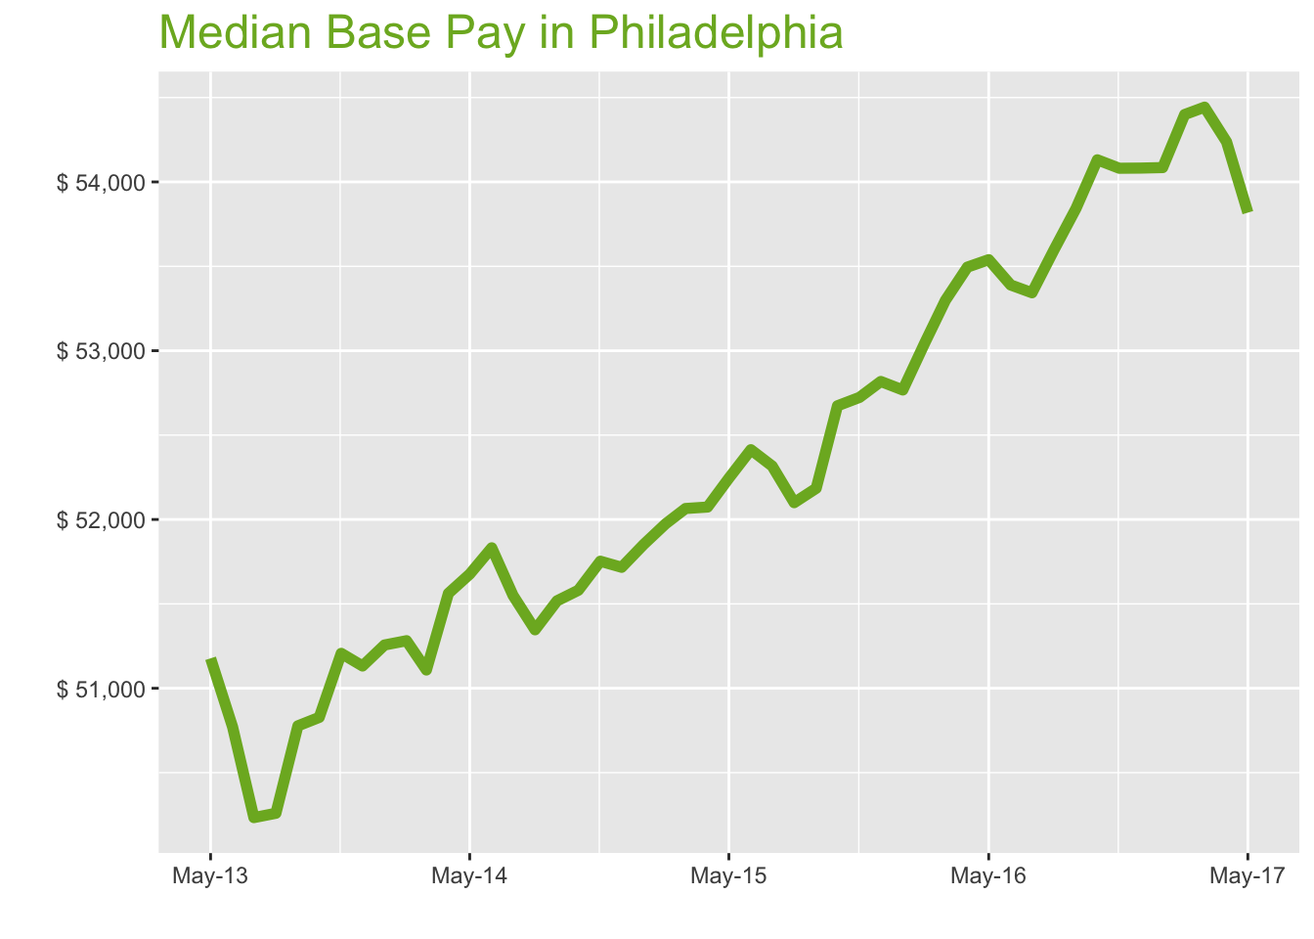
May-17

Job Title

Design
 | Median Base Pay | YoY
Graphic Designer | $47,966 | -0.30%
Education
 | Median Base Pay | YoY
Professor | $99,132 | 2.70%
Teacher | $50,388 | 1.50%
Engineering
 | Median Base Pay | YoY
Mechanical Engineer | $74,994 | -0.30%
Design Engineer | $73,612 | -4.20%
Electrical Engineer | $80,847 | 1.40%
Quality Engineer | $74,692 | 1.60%
Field Engineer | $69,597 | 0.20%
Finance
 | Median Base Pay | YoY
Financial Analyst | $62,841 | 0.50%
Accountant | $58,119 | 1.10%
Bank Teller | $29,427 | 4.50%
Tax Manager | $99,987 | -1.70%
Insurance Agent | $45,496 | 2.30%
Health
 | Median Base Pay | YoY
Registered Nurse | $72,462 | 2.80% | Year | Median Base Pay | YOY
Physical Therapist | $79,530 | -1.00% | 2017-05 | $53,818 | 0.5%
Pharmacy Technician | $28,178 | 2.70% | 2017-04 | $54,238 | 1.4%
Medical Assistant | $35,380 | 0.30% | 2017-03 | $54,443 | 2.1%
Physician | $254,967 | 0.50% | 2017-02 | $54,399 | 2.6%
Medical Technologist | $58,277 | 1.40% | 2017-01 | $54,085 | 2.5%
Emergency Medical Technician | $36,892 | 0.80% | 2016-12 | $54,082 | 2.4%
Human Resources |  |  | 2016-11 | $54,081 | 2.6%
 | Median Base Pay | YoY | 2016-10 | $54,131 | 2.8%
Recruiter | $52,477 | 5.70% | 2016-09 | $53,843 | 3.2%
Human Resources Manager | $75,993 | 0.40% | 2016-08 | $53,598 | 2.9%
Labor |  |  | 2016-07 | $53,343 | 2.0%
 | Median Base Pay | YoY | 2016-06 | $53,389 | 1.9%
Technician | $47,185 | -0.80% | 2016-05 | $53,539 | 2.5%
Warehouse Associate | $43,007 | 5.00% | 2016-04 | $53,495 | 2.7%
Truck Driver | $52,691 | 0.20% | 2016-03 | $53,298 | 2.4%
Machine Operator | $44,076 | 0.40% | 2016-02 | $53,046 | 2.1%
Construction Laborer | $44,113 | 2.80% | 2016-01 | $52,767 | 1.8%
Maintenance Worker | $40,789 | 4.00% | 2015-12 | $52,818 | 2.1%
Law |  |  | 2015-11 | $52,723 | 1.9%
 | Median Base Pay | YoY | 2015-10 | $52,674 | 2.1%
Attorney | $107,866 | 0.60% | 2015-09 | $52,185 | 1.3%
Paralegal | $50,124 | -1.10% | 2015-08 | $52,100 | 1.5%
Manufacturing |  |  | 2015-07 | $52,317 | 1.5%
 | Median Base Pay | YoY | 2015-06 | $52,413 | 1.1%
Production Manager | $65,985 | 1.00% | 2015-05 | $52,245 | 1.1%
Manufacturing Engineer | $73,395 | 2.20% | 2015-04 | $52,074 | 1.0%
Media |  |  | 2015-03 | $52,065 | 1.9%
 | Median Base Pay | YoY | 2015-02 | $51,975 | 1.4%
Producer | $56,449 | 2.30% | 2015-01 | $51,852 | 1.2%
Technical Editor | $56,056 | 0.50% | 2014-12 | $51,717 | 1.1%
Operations |  |  | 2014-11 | $51,753 | 1.1%
 | Median Base Pay | YoY | 2014-10 | $51,581 | 1.5%
Operations Manager | $71,048 | 1.30% | 2014-09 | $51,518 | 1.5%
Operations Analyst | $57,816 | -2.70% | 2014-08 | $51,346 | 2.2%
Professional Services |  |  | 2014-07 | $51,550 | 2.6%
 | Median Base Pay | YoY | 2014-06 | $51,832 | 2.1%
Consultant | $78,846 | -0.70% | 2014-05 | $51,676 | 1.0%
Project Manager | $76,837 | -0.30% | 2014-04 | $51,562
Business Analyst | $68,760 | 1.40% | 2014-03 | $51,108
Administrative Assistant | $41,467 | 1.20% | 2014-02 | $51,282
Marketing Manager | $77,255 | 0.40% | 2014-01 | $51,256
Product Manager | $92,192 | 0.50% | 2013-12 | $51,132
Customer Service Manager | $57,762 | 5.50% | 2013-11 | $51,207
Business Development Manager | $70,736 | 0.40% | 2013-10 | $50,827
Communications Manager | $71,369 | -1.70% | 2013-09 | $50,777
Real Estate |  |  | 2013-08 | $50,259
 | Median Base Pay | YoY | 2013-07 | $50,234
Property Manager | $60,533 | 0.90% | 2013-06 | $50,771
Food Services |  |  | 2013-05 | $51,177
 | Median Base Pay | YoY
Restaurant Cook | $30,483 | 5.30%
Retail
 | Median Base Pay | YoY
Store Manager | $52,231 | 3.30%
Cashier | $26,747 | 3.00%
Buyer | $59,952 | -0.30%
Retail Key Holder | $30,687 | 0.70%
Sales
 | Median Base Pay | YoY
Sales Representative | $50,903 | 2.90%
Sales Manager | $66,306 | -0.50%
Technology
 | Median Base Pay | YoY
Software Engineer | $85,321 | 1.90%
Programmer Analyst | $71,579 | 2.30%
Web Developer | $68,473 | -1.80%
Data Scientist | $99,790 | 0.60%
Data Analyst | $62,157 | 0.90%
Java Developer | $75,988 | -3.40%
Web Designer | $53,103 | -1.10%

Philadelphia Quick Facts

 | May-17 | YoY
Philadelphia Median Pay | $53,818 | 0.50%
U.S. Median Pay | $51,159 | 2.10%
Job Openings | 106,480 | 26.20%
 | Mar-17 | YoY
Labor Force Size* | 3,097,367 | 0.40%
Total Employment* | 2,955,729 | 1.10%
Unemployment Rate* | 4.60% | -0.70%

Industry

 | Median Base Pay
Accounting & Legal | $54,147
Aerospace & Defense | $56,495
Architecture & Civil Engineering | $54,689
Arts & Entertainment | $48,272
Automotive | $48,681
Banking & Financial Services | $52,916
Beauty & Fitness | $47,177
Biotech & Pharmaceuticals | $56,612
Business Services | $51,303
Computer Software & Hardware | $54,757
Construction | $54,308
Consulting | $54,204
Consumer Electronics | $45,926
Consumer Services | $47,446
Education & Schools | $48,455
Energy & Utilities | $58,902
Facilities | $48,465
Farming & Agriculture | $52,831
Government | $52,878
Health Care & Hospitals | $51,575
Information Technology | $52,721
Insurance | $52,737
Internet & Tech | $53,571
Manufacturing | $54,433
Marketing & Advertising | $50,287
Media & Publishing | $50,982
Nonprofit | $47,859
Private Security | $47,765
Real Estate | $51,022
Recruiting & Staffing | $50,457
Restaurants & Bars | $48,473
Retail | $48,402
Supermarkets | $49,268
Telecommunications | $51,963
Transportation & Logistics | $51,208
Travel & Tourism | $48,627
Wholesale | $51,879

Employer Size

 | Median Base Pay
<51 | $48,125
51-200 | $49,855
201-500 | $51,000
501-1000 | $51,774
1001-5000 | $53,062
5000+ | $54,006

SEA
Seattle Metro

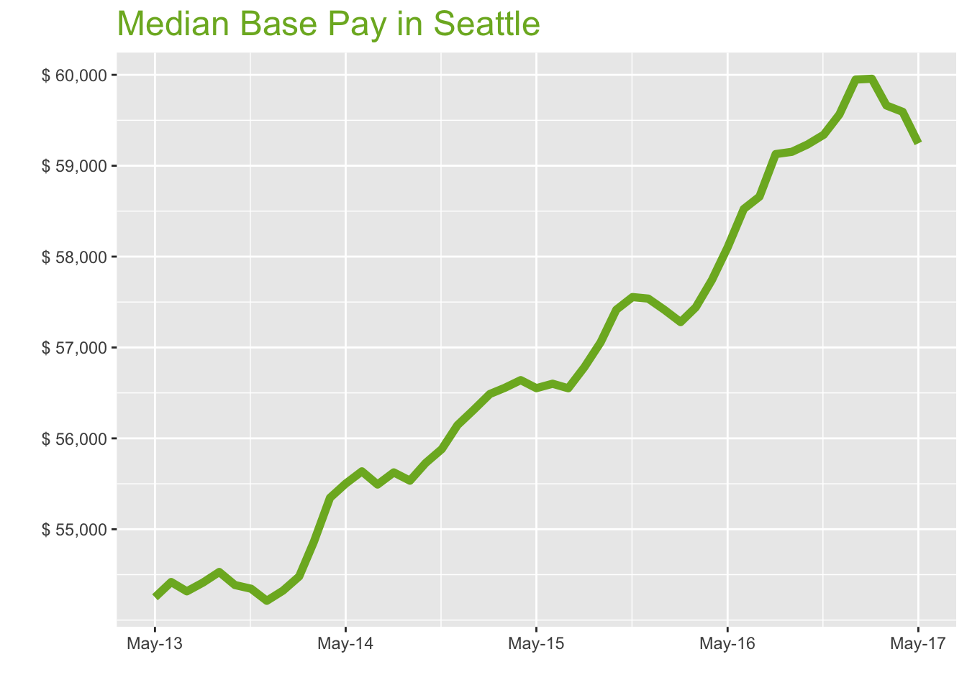
May-17

Job Title

Design
 | Median Base Pay | YoY
Graphic Designer | $57,043 | 1.20%
Education
 | Median Base Pay | YoY
Professor | $99,804 | 4.20%
Teacher | $53,038 | 2.90%
Engineering
 | Median Base Pay | YoY
Mechanical Engineer | $81,733 | 1.10%
Design Engineer | $80,763 | -2.80%
Electrical Engineer | $88,890 | 2.90%
Quality Engineer | $83,399 | 3.00%
Field Engineer | $73,192 | 1.60%
Finance
 | Median Base Pay | YoY
Financial Analyst | $71,935 | 1.90%
Accountant | $61,781 | 2.60%
Bank Teller | $31,722 | 6.00%
Tax Manager | $101,142 | -0.30%
Insurance Agent | $41,494 | 3.80%
Health
 | Median Base Pay | YoY
Registered Nurse | $77,551 | 4.30% | Year | Median Base Pay | YOY
Physical Therapist | $76,280 | 0.40% | 2017-05 | $59,246 | 2.0%
Pharmacy Technician | $39,861 | 4.20% | 2017-04 | $59,593 | 3.2%
Medical Assistant | $43,349 | 1.70% | 2017-03 | $59,663 | 3.9%
Physician | $280,682 | 2.00% | 2017-02 | $59,957 | 4.7%
Medical Technologist | $63,961 | 2.90% | 2017-01 | $59,948 | 4.4%
Emergency Medical Technician | $40,221 | 2.20% | 2016-12 | $59,565 | 3.5%
Human Resources |  |  | 2016-11 | $59,341 | 3.1%
 | Median Base Pay | YoY | 2016-10 | $59,234 | 3.2%
Recruiter | $60,711 | 7.20% | 2016-09 | $59,153 | 3.7%
Human Resources Manager | $83,931 | 1.90% | 2016-08 | $59,128 | 4.1%
Labor |  |  | 2016-07 | $58,660 | 3.7%
 | Median Base Pay | YoY | 2016-06 | $58,524 | 3.4%
Technician | $51,574 | 0.60% | 2016-05 | $58,102 | 2.7%
Warehouse Associate | $47,345 | 6.50% | 2016-04 | $57,743 | 1.9%
Truck Driver | $50,933 | 1.60% | 2016-03 | $57,441 | 1.6%
Machine Operator | $44,991 | 1.80% | 2016-02 | $57,279 | 1.4%
Construction Laborer | $51,575 | 4.30% | 2016-01 | $57,414 | 2.0%
Maintenance Worker | $49,870 | 5.60% | 2015-12 | $57,538 | 2.5%
Law |  |  | 2015-11 | $57,555 | 3.0%
 | Median Base Pay | YoY | 2015-10 | $57,416 | 3.0%
Attorney | $111,543 | 2.00% | 2015-09 | $57,057 | 2.7%
Paralegal | $60,531 | 0.30% | 2015-08 | $56,784 | 2.1%
Manufacturing |  |  | 2015-07 | $56,551 | 1.9%
 | Median Base Pay | YoY | 2015-06 | $56,601 | 1.7%
Production Manager | $70,098 | 2.40% | 2015-05 | $56,552 | 1.9%
Manufacturing Engineer | $78,674 | 3.70% | 2015-04 | $56,641 | 2.3%
Media |  |  | 2015-03 | $56,555 | 3.1%
 | Median Base Pay | YoY | 2015-02 | $56,488 | 3.7%
Producer | $76,551 | 3.80% | 2015-01 | $56,314 | 3.7%
Technical Editor | $79,237 | 2.00% | 2014-12 | $56,145 | 3.6%
Operations |  |  | 2014-11 | $55,882 | 2.8%
 | Median Base Pay | YoY | 2014-10 | $55,728 | 2.5%
Operations Manager | $76,183 | 2.80% | 2014-09 | $55,534 | 1.8%
Operations Analyst | $63,596 | -1.30% | 2014-08 | $55,625 | 2.2%
Professional Services |  |  | 2014-07 | $55,492 | 2.2%
 | Median Base Pay | YoY | 2014-06 | $55,637 | 2.2%
Consultant | $86,415 | 0.80% | 2014-05 | $55,502 | 2.3%
Project Manager | $83,898 | 1.20% | 2014-04 | $55,346
Business Analyst | $76,529 | 2.90% | 2014-03 | $54,860
Administrative Assistant | $47,450 | 2.60% | 2014-02 | $54,481
Marketing Manager | $87,438 | 1.80% | 2014-01 | $54,324
Product Manager | $108,536 | 1.90% | 2013-12 | $54,213
Customer Service Manager | $62,031 | 7.00% | 2013-11 | $54,345
Business Development Manager | $83,382 | 1.90% | 2013-10 | $54,386
Communications Manager | $83,194 | -0.30% | 2013-09 | $54,530
Real Estate |  |  | 2013-08 | $54,413
 | Median Base Pay | YoY | 2013-07 | $54,317
Property Manager | $62,504 | 2.30% | 2013-06 | $54,419
Food Services |  |  | 2013-05 | $54,251
 | Median Base Pay | YoY
Restaurant Cook | $34,348 | 6.90%
Retail
 | Median Base Pay | YoY
Store Manager | $56,125 | 4.80%
Cashier | $33,623 | 4.50%
Buyer | $70,597 | 1.10%
Retail Key Holder | $34,505 | 2.10%
Sales
 | Median Base Pay | YoY
Sales Representative | $53,234 | 4.40%
Sales Manager | $72,188 | 0.90%
Technology
 | Median Base Pay | YoY
Software Engineer | $109,508 | 3.40%
Programmer Analyst | $83,744 | 3.80%
Web Developer | $84,497 | -0.30%
Data Scientist | $120,629 | 2.10%
Data Analyst | $71,462 | 2.40%
Java Developer | $83,601 | -2.00%
Web Designer | $59,935 | 0.30%

Seattle Quick Facts

 | May-17 | YoY
Seattle Median Pay | $59,246 | 2.00%
U.S. Median Pay | $51,159 | 2.10%
Job Openings | 107,685 | 22.60%
 | Mar-17 | YoY
Labor Force Size* | 2,064,829 | 2.20%
Total Employment* | 1,988,394 | 3.40%
Unemployment Rate* | 3.70% | -1.10%

Industry

 | Median Base Pay
Accounting & Legal | $59,494
Aerospace & Defense | $62,074
Architecture & Civil Engineering | $60,089
Arts & Entertainment | $53,039
Automotive | $53,488
Banking & Financial Services | $58,141
Beauty & Fitness | $51,836
Biotech & Pharmaceuticals | $62,203
Business Services | $56,369
Computer Software & Hardware | $60,164
Construction | $59,670
Consulting | $59,556
Consumer Electronics | $50,461
Consumer Services | $52,131
Education & Schools | $53,240
Energy & Utilities | $64,718
Facilities | $53,251
Farming & Agriculture | $58,048
Government | $58,100
Health Care & Hospitals | $56,668
Information Technology | $57,927
Insurance | $57,945
Internet & Tech | $58,861
Manufacturing | $59,808
Marketing & Advertising | $55,253
Media & Publishing | $56,017
Nonprofit | $52,585
Private Security | $52,482
Real Estate | $56,060
Recruiting & Staffing | $55,439
Restaurants & Bars | $53,259
Retail | $53,182
Supermarkets | $54,133
Telecommunications | $57,095
Transportation & Logistics | $56,265
Travel & Tourism | $53,429
Wholesale | $57,002

Employer Size

 | Median Base Pay
<51 | $52,877
51-200 | $54,778
201-500 | $56,036
501-1000 | $56,886
1001-5000 | $58,302
5000+ | $59,339

DC
Washington DC Metro

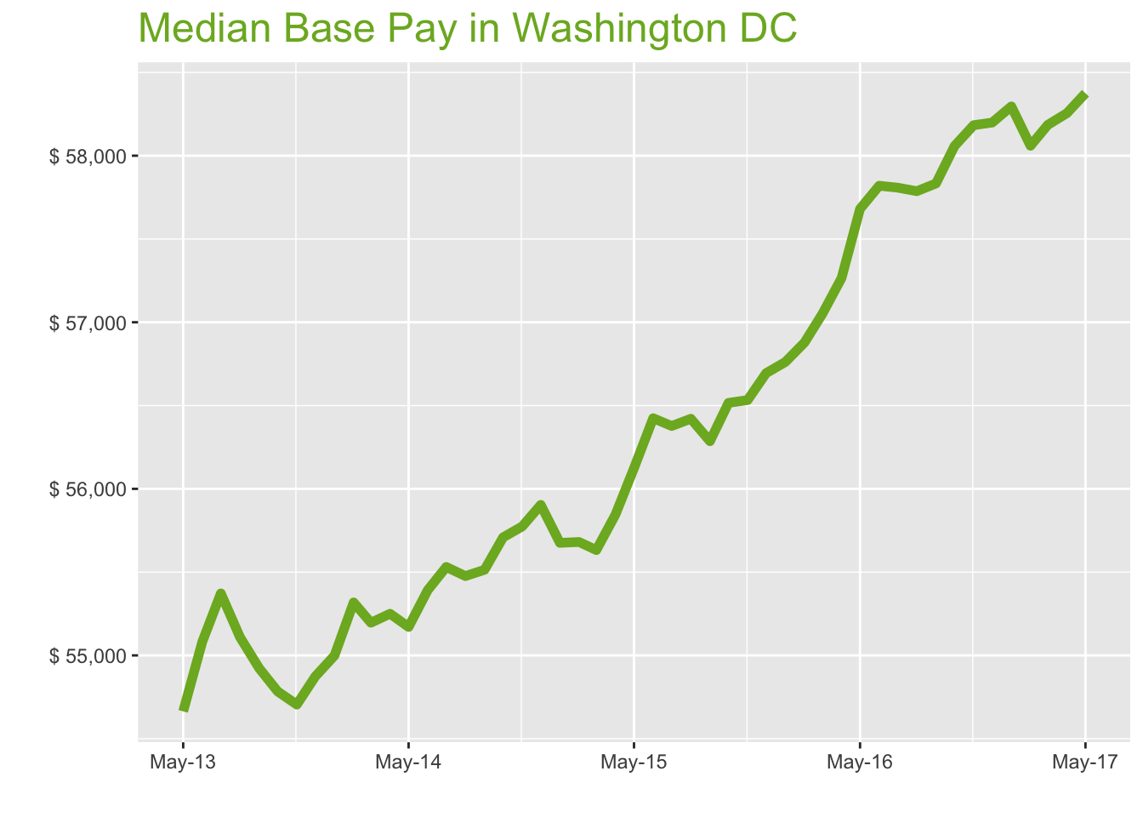
May-17

Job Title

Design
 | Median Base Pay | YoY
Graphic Designer | $53,591 | 0.40%
Education
 | Median Base Pay | YoY
Professor | $102,858 | 3.40%
Teacher | $57,631 | 2.10%
Engineering
 | Median Base Pay | YoY
Mechanical Engineer | $77,184 | 0.40%
Design Engineer | $78,418 | -3.60%
Electrical Engineer | $85,282 | 2.10%
Quality Engineer | $78,040 | 2.30%
Field Engineer | $72,439 | 0.90%
Finance
 | Median Base Pay | YoY
Financial Analyst | $71,833 | 1.10%
Accountant | $64,505 | 1.80%
Bank Teller | $32,094 | 5.20%
Tax Manager | $110,843 | -1.00%
Insurance Agent | $46,302 | 3.00%
Health
 | Median Base Pay | YoY
Registered Nurse | $71,605 | 3.50% | Year | Median Base Pay | YOY
Physical Therapist | $79,317 | -0.30% | 2017-05 | $58,375 | 1.2%
Pharmacy Technician | $32,115 | 3.40% | 2017-04 | $58,255 | 1.7%
Medical Assistant | $38,428 | 1.00% | 2017-03 | $58,185 | 2.0%
Physician | $276,557 | 1.20% | 2017-02 | $58,060 | 2.1%
Medical Technologist | $56,100 | 2.10% | 2017-01 | $58,296 | 2.7%
Emergency Medical Technician | $41,641 | 1.50% | 2016-12 | $58,199 | 2.7%
Human Resources |  |  | 2016-11 | $58,183 | 2.9%
 | Median Base Pay | YoY | 2016-10 | $58,058 | 2.7%
Recruiter | $60,914 | 6.40% | 2016-09 | $57,833 | 2.7%
Human Resources Manager | $82,094 | 1.10% | 2016-08 | $57,787 | 2.4%
Labor |  |  | 2016-07 | $57,808 | 2.5%
 | Median Base Pay | YoY | 2016-06 | $57,820 | 2.5%
Technician | $50,050 | -0.20% | 2016-05 | $57,681 | 2.8%
Warehouse Associate | $38,961 | 5.70% | 2016-04 | $57,265 | 2.5%
Truck Driver | $48,769 | 0.90% | 2016-03 | $57,050 | 2.5%
Machine Operator | $45,782 | 1.10% | 2016-02 | $56,878 | 2.1%
Construction Laborer | $40,776 | 3.50% | 2016-01 | $56,761 | 1.9%
Maintenance Worker | $44,452 | 4.80% | 2015-12 | $56,695 | 1.4%
Law |  |  | 2015-11 | $56,533 | 1.4%
 | Median Base Pay | YoY | 2015-10 | $56,516 | 1.4%
Attorney | $132,359 | 1.30% | 2015-09 | $56,286 | 1.4%
Paralegal | $57,050 | -0.50% | 2015-08 | $56,421 | 1.7%
Manufacturing |  |  | 2015-07 | $56,377 | 1.5%
 | Median Base Pay | YoY | 2015-06 | $56,424 | 1.9%
Production Manager | $72,516 | 1.70% | 2015-05 | $56,124 | 1.7%
Manufacturing Engineer | $78,663 | 2.90% | 2015-04 | $55,846 | 1.1%
Media |  |  | 2015-03 | $55,632 | 0.8%
 | Median Base Pay | YoY | 2015-02 | $55,681 | 0.7%
Producer | $71,628 | 3.00% | 2015-01 | $55,676 | 1.2%
Technical Editor | $66,100 | 1.20% | 2014-12 | $55,904 | 1.9%
Operations |  |  | 2014-11 | $55,774 | 2.0%
 | Median Base Pay | YoY | 2014-10 | $55,709 | 1.7%
Operations Manager | $75,622 | 2.00% | 2014-09 | $55,514 | 1.1%
Operations Analyst | $70,665 | -2.00% | 2014-08 | $55,476 | 0.7%
Professional Services |  |  | 2014-07 | $55,531 | 0.3%
 | Median Base Pay | YoY | 2014-06 | $55,392 | 0.6%
Consultant | $80,372 | 0.00% | 2014-05 | $55,171 | 0.9%
Project Manager | $87,610 | 0.40% | 2014-04 | $55,250
Business Analyst | $76,420 | 2.10% | 2014-03 | $55,196
Administrative Assistant | $47,201 | 1.90% | 2014-02 | $55,318
Marketing Manager | $78,424 | 1.10% | 2014-01 | $54,999
Product Manager | $104,415 | 1.10% | 2013-12 | $54,874
Customer Service Manager | $57,272 | 6.20% | 2013-11 | $54,705
Business Development Manager | $84,546 | 1.10% | 2013-10 | $54,784
Communications Manager | $81,276 | -1.00% | 2013-09 | $54,923
Real Estate |  |  | 2013-08 | $55,109
 | Median Base Pay | YoY | 2013-07 | $55,372
Property Manager | $65,656 | 1.60% | 2013-06 | $55,082
Food Services |  |  | 2013-05 | $54,664
 | Median Base Pay | YoY
Restaurant Cook | $31,758 | 6.10%
Retail
 | Median Base Pay | YoY
Store Manager | $56,136 | 4.00%
Cashier | $28,530 | 3.70%
Buyer | $61,212 | 0.40%
Retail Key Holder | $32,719 | 1.30%
Sales
 | Median Base Pay | YoY
Sales Representative | $53,677 | 3.60%
Sales Manager | $70,778 | 0.20%
Technology
 | Median Base Pay | YoY
Software Engineer | $96,404 | 2.60%
Programmer Analyst | $78,118 | 3.00%
Web Developer | $83,947 | -1.10%
Data Scientist | $106,225 | 1.30%
Data Analyst | $71,865 | 1.60%
Java Developer | $77,168 | -2.70%
Web Designer | $63,453 | -0.40%

Washington DC Quick Facts

 | May-17 | YoY
Washington DC Median Pay | $58,375 | 1.20%
U.S. Median Pay | $51,159 | 2.10%
Job Openings | 159,168 | 20.40%
 | Mar-17 | YoY
Labor Force Size* | 3,369,842 | 2.10%
Total Employment* | 3,245,424 | 2.30%
Unemployment Rate* | 3.70% | -0.20%

Industry

 | Median Base Pay
Accounting & Legal | $58,709
Aerospace & Defense | $61,255
Architecture & Civil Engineering | $59,297
Arts & Entertainment | $52,340
Automotive | $52,783
Banking & Financial Services | $57,375
Beauty & Fitness | $51,153
Biotech & Pharmaceuticals | $61,383
Business Services | $55,626
Computer Software & Hardware | $59,371
Construction | $58,884
Consulting | $58,771
Consumer Electronics | $49,796
Consumer Services | $51,444
Education & Schools | $52,538
Energy & Utilities | $63,865
Facilities | $52,549
Farming & Agriculture | $57,283
Government | $57,334
Health Care & Hospitals | $55,921
Information Technology | $57,163
Insurance | $57,181
Internet & Tech | $58,085
Manufacturing | $59,020
Marketing & Advertising | $54,525
Media & Publishing | $55,278
Nonprofit | $51,892
Private Security | $51,790
Real Estate | $55,321
Recruiting & Staffing | $54,708
Restaurants & Bars | $52,557
Retail | $52,481
Supermarkets | $53,420
Telecommunications | $56,342
Transportation & Logistics | $55,523
Travel & Tourism | $52,725
Wholesale | $56,251

Employer Size

 | Median Base Pay
<51 | $52,180
51-200 | $54,056
201-500 | $55,297
501-1000 | $56,136
1001-5000 | $57,533
5000+ | $58,557

